Reopening policy reaction
 |  |  | Early reopening Policy |  |  |  | Late reopening Policy |  |  |  | Middle reopening Policy

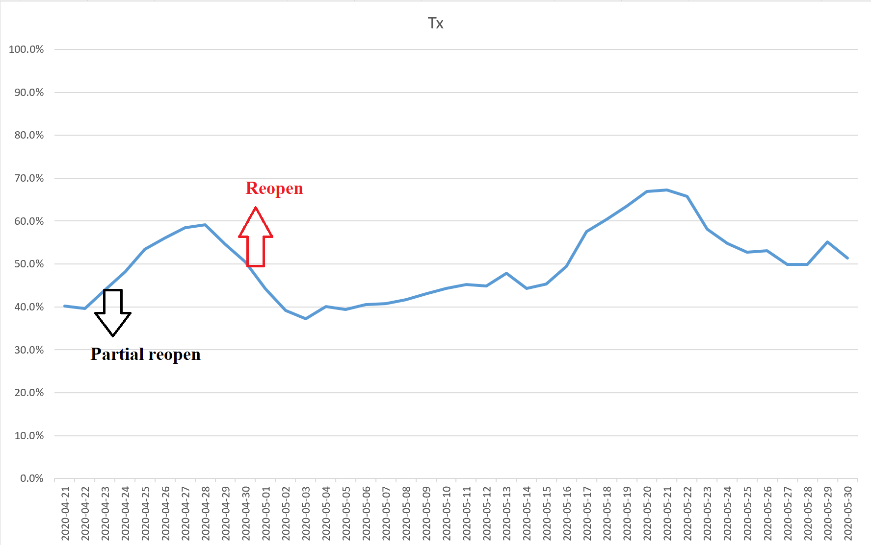
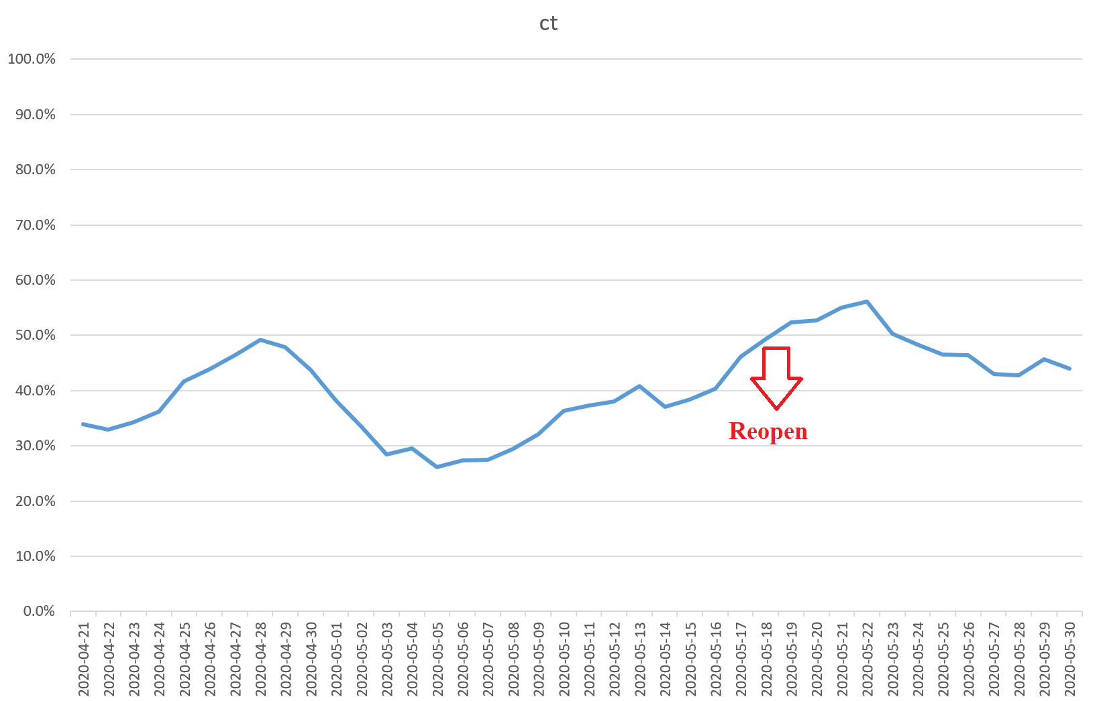
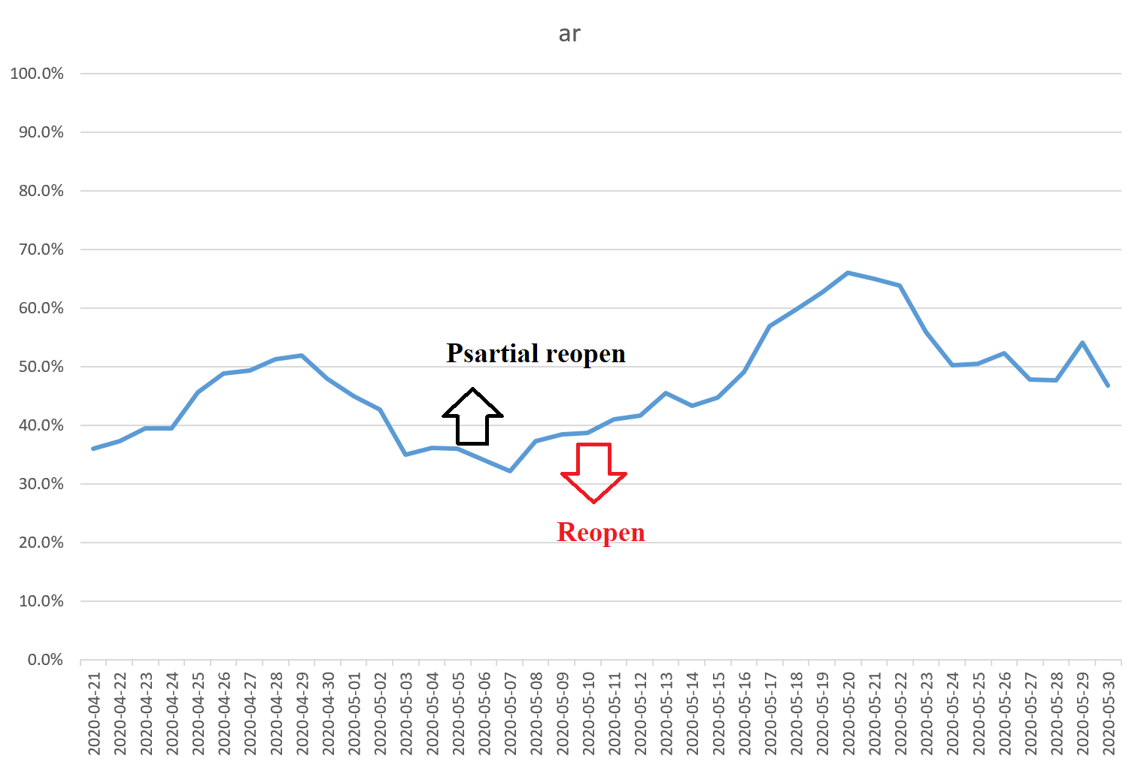
Partial | Full | state |  | Partial | Full | state
2020-04-24 | 2020-05-01 | TX |  |  | 2020-05-20 | CT |  | Partial | Full | state
 |  |  |  |  |  |  |  | 2020-05-06 | 2020-05-11 | Ar

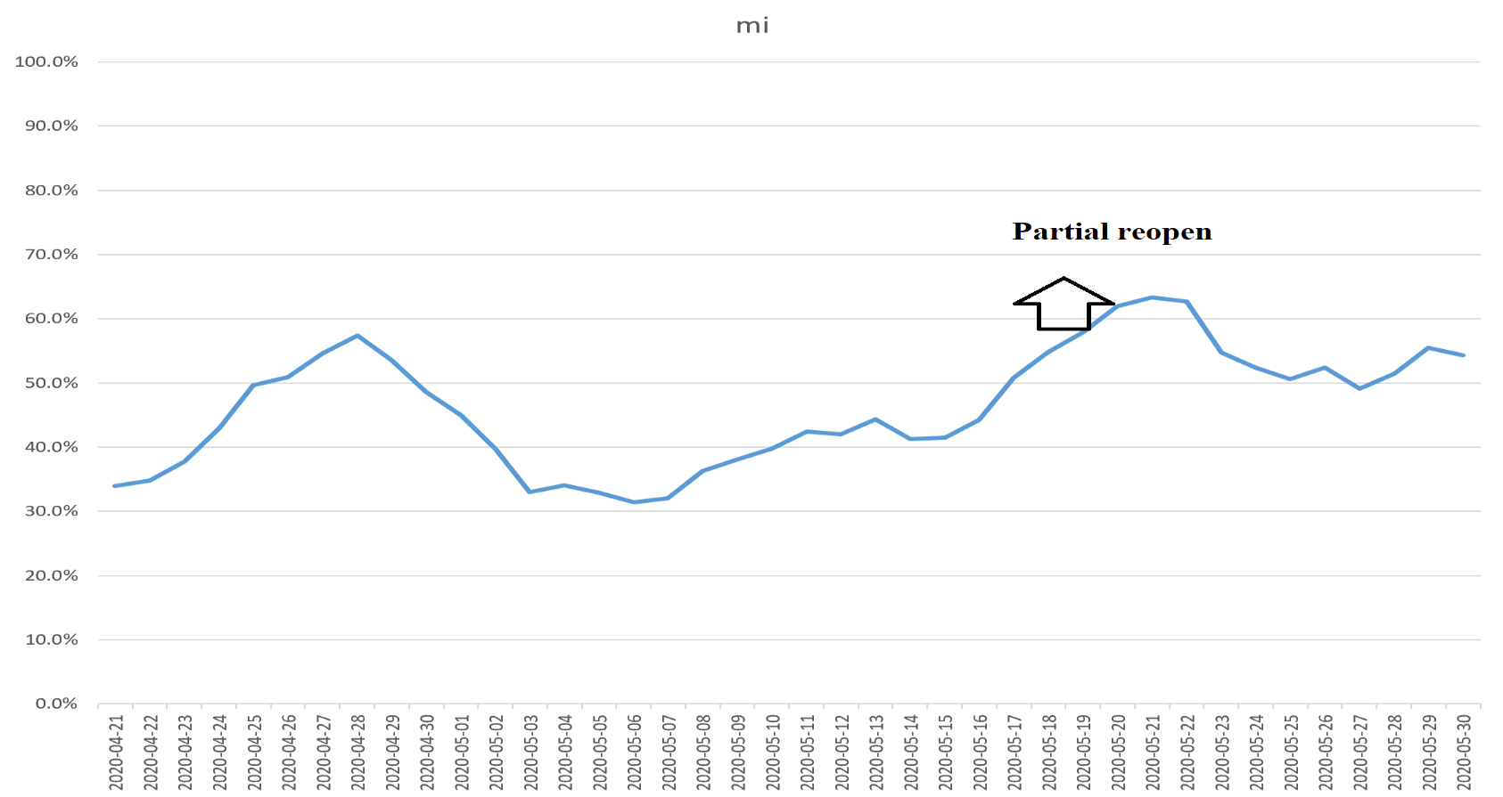
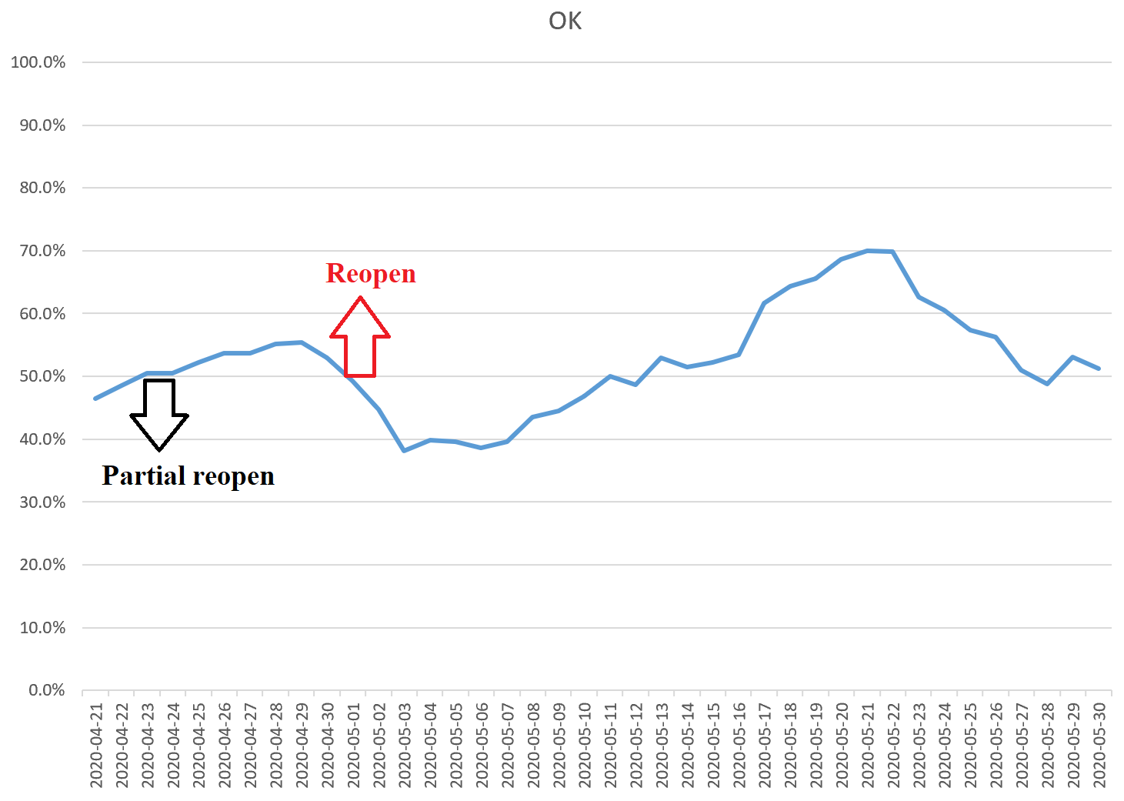
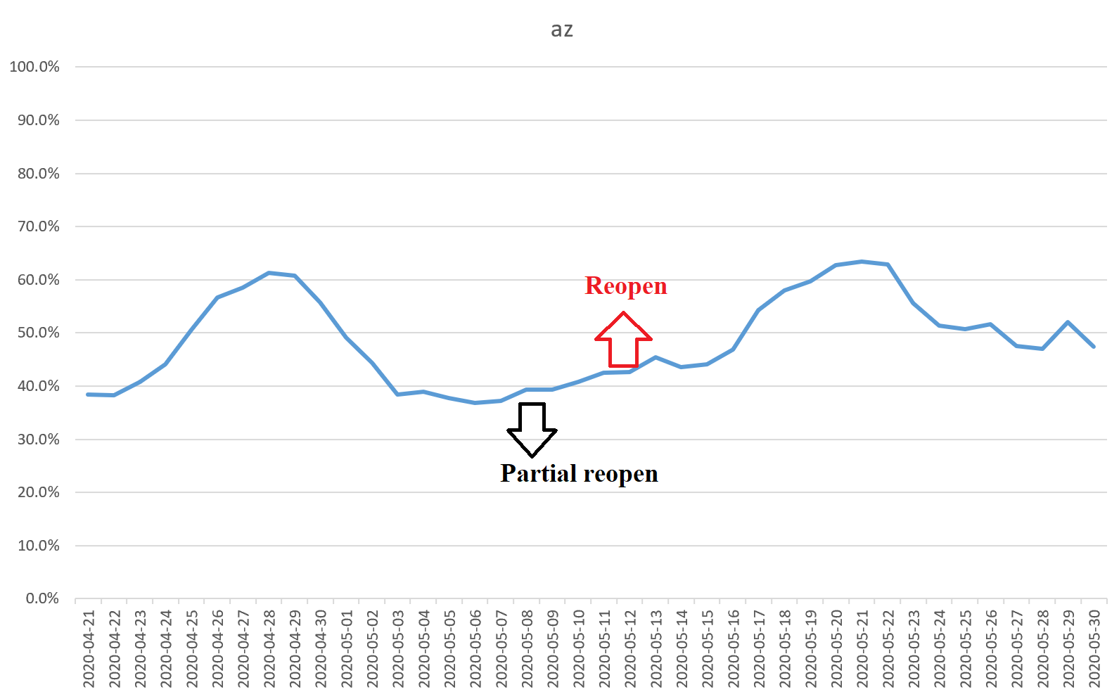
Partial | Full | state |  | Partial | Full | state |  | Partial | Full | state
2020-04-24 | 2020-05-01 | OK |  | 2020-05-22 |  | MI |  | 2020-05-08 | 2020-05-12 | Az

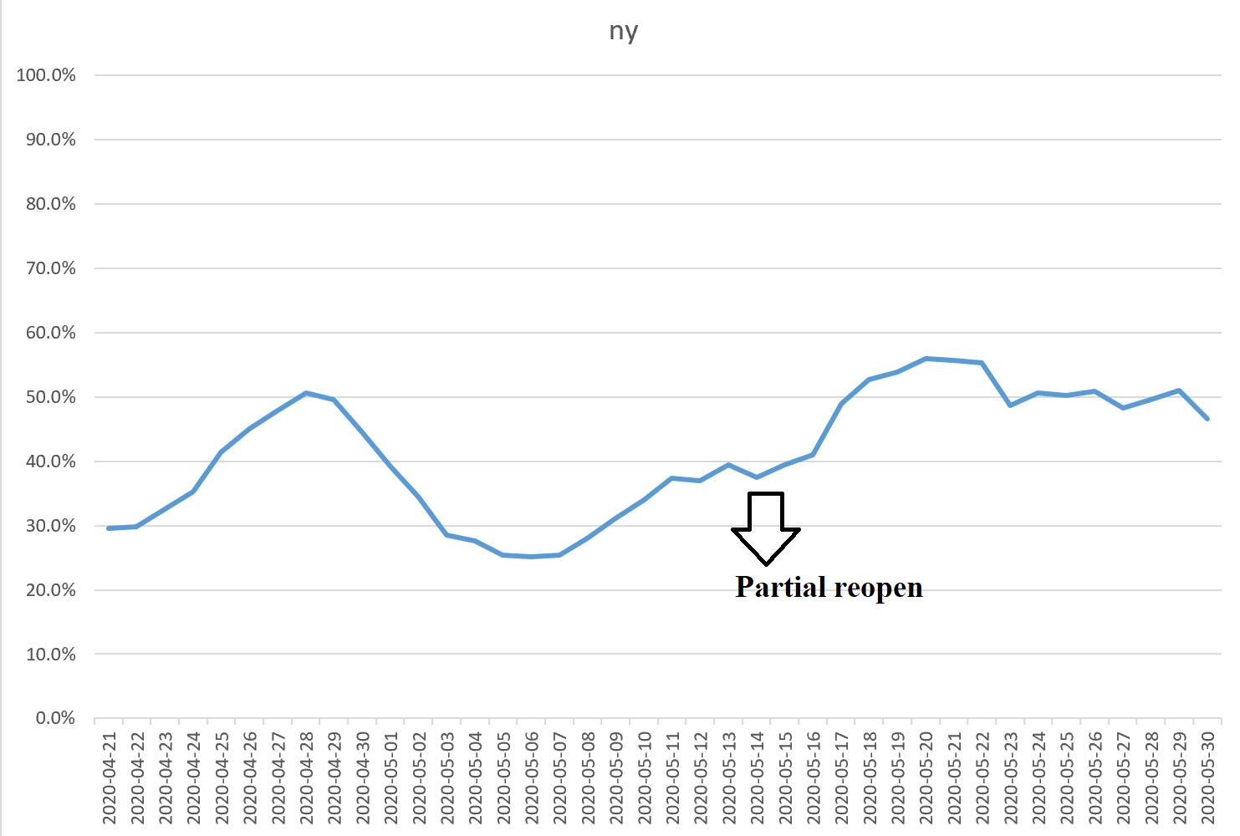
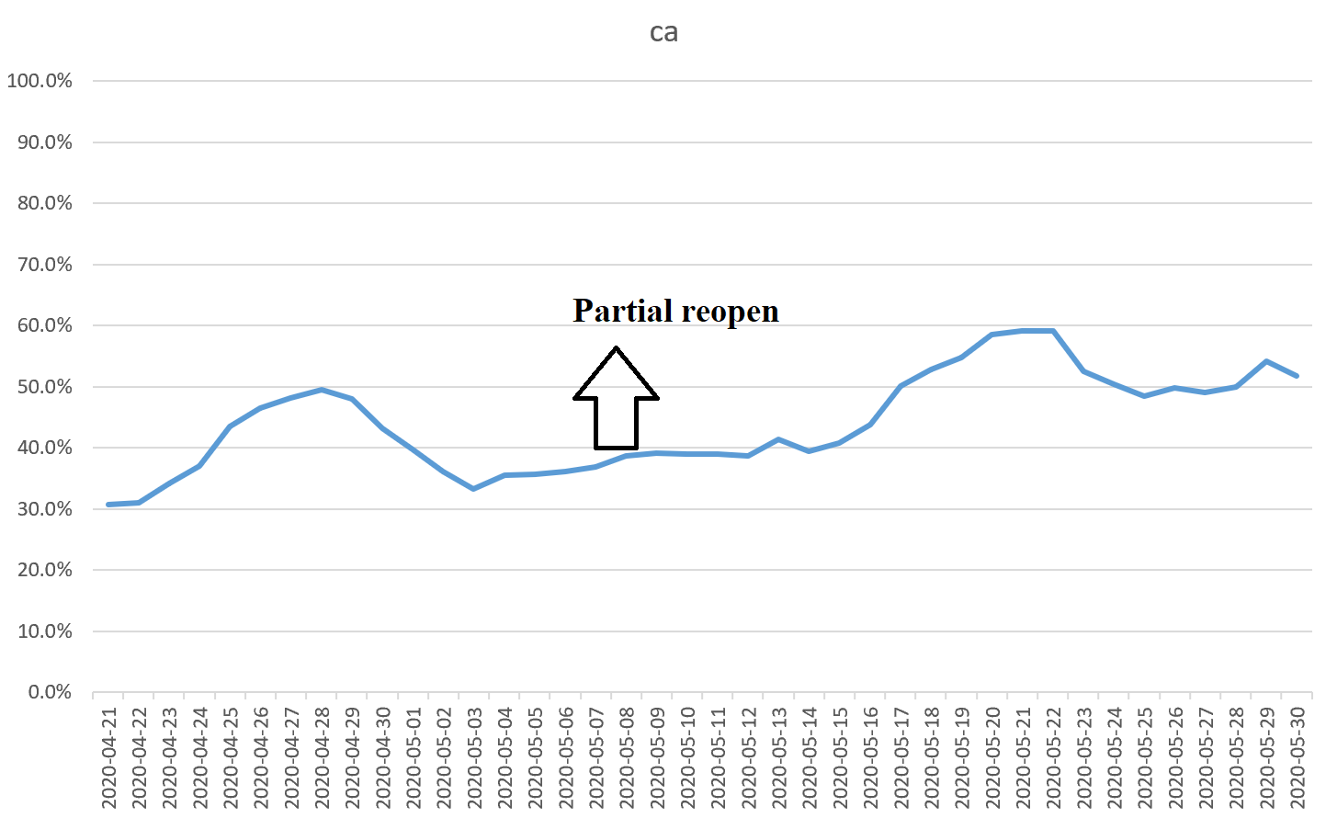
 |  |  |  |  |  |  |  | Partial | Full | state
 |  |  |  | Partial | Full | state |  | 2020-05-08 |  | Ca
Partial | Full | state |  | 2020-05-15 |  | NY
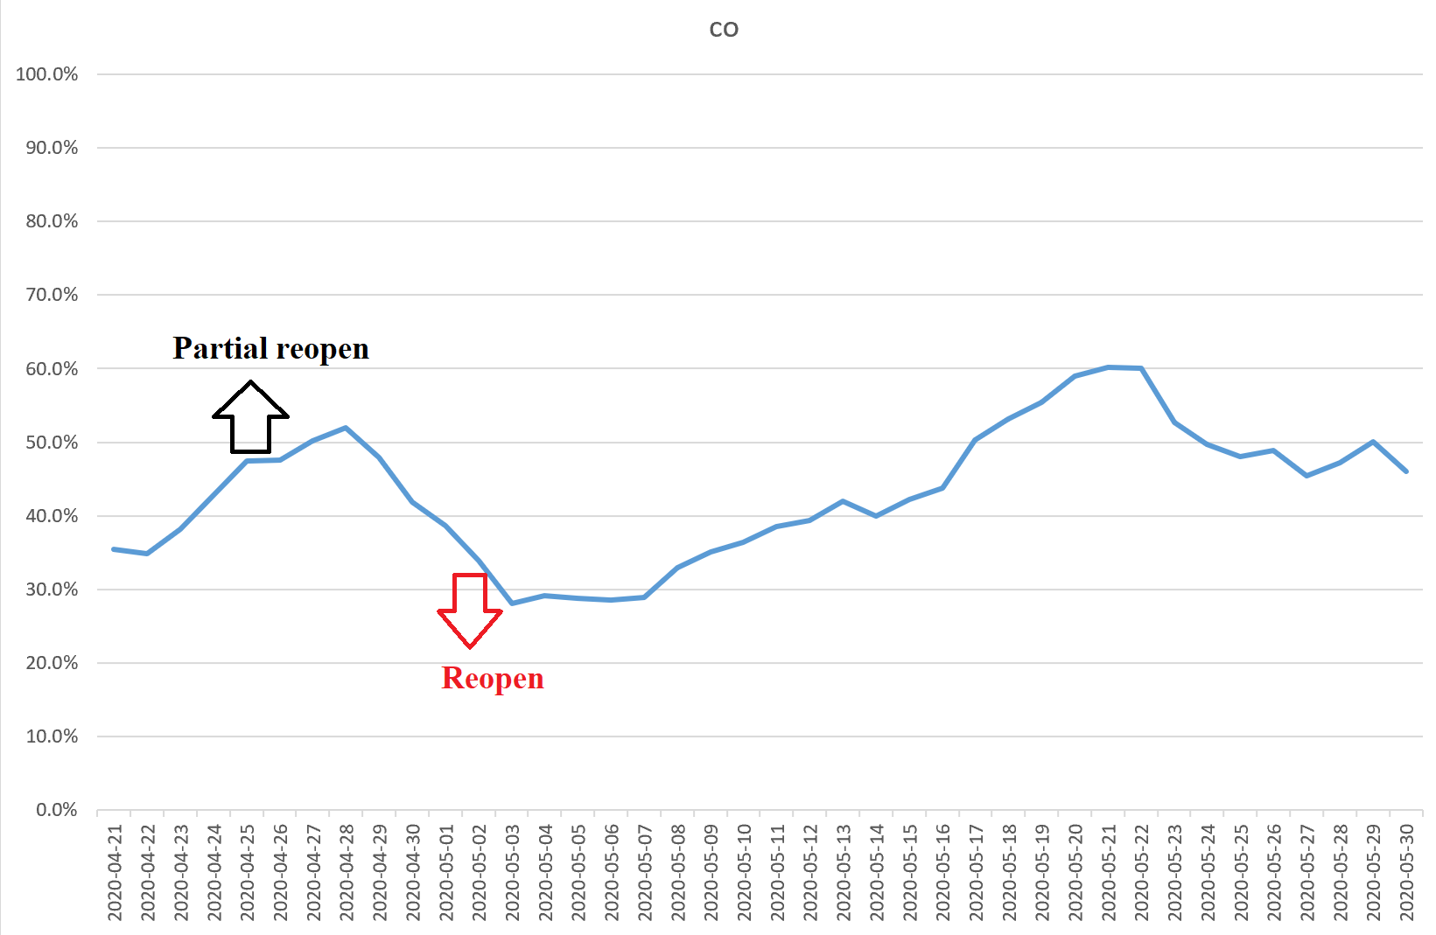
2020-04-27 | 2020-05-04 | CO

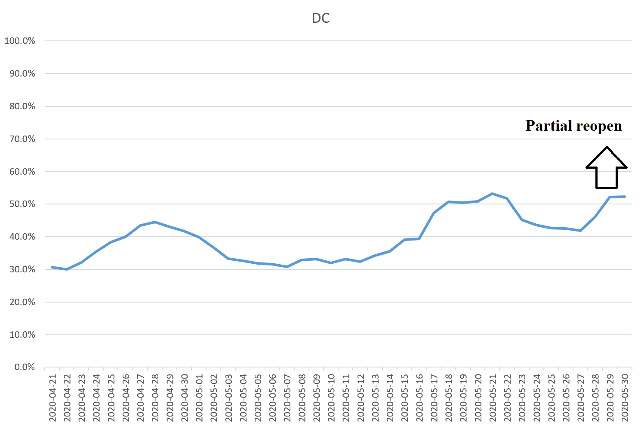
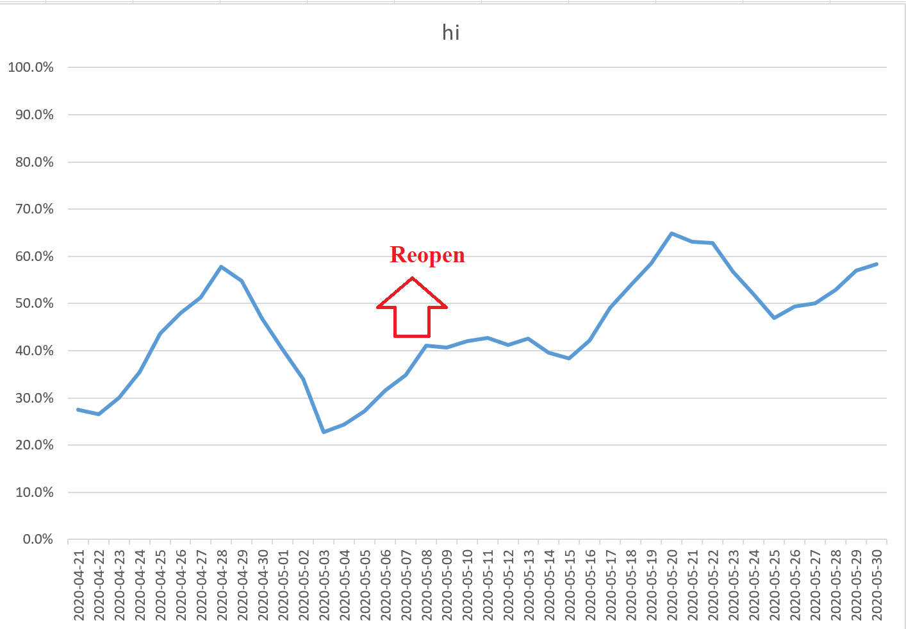
 |  |  |  | Partial | Full | state
 |  |  |  | 2020-05-29 |  | DC |  | Partial | Full | state
Partial | Full | state |  |  |  |  |  |  | 2020-05-07 | Hi
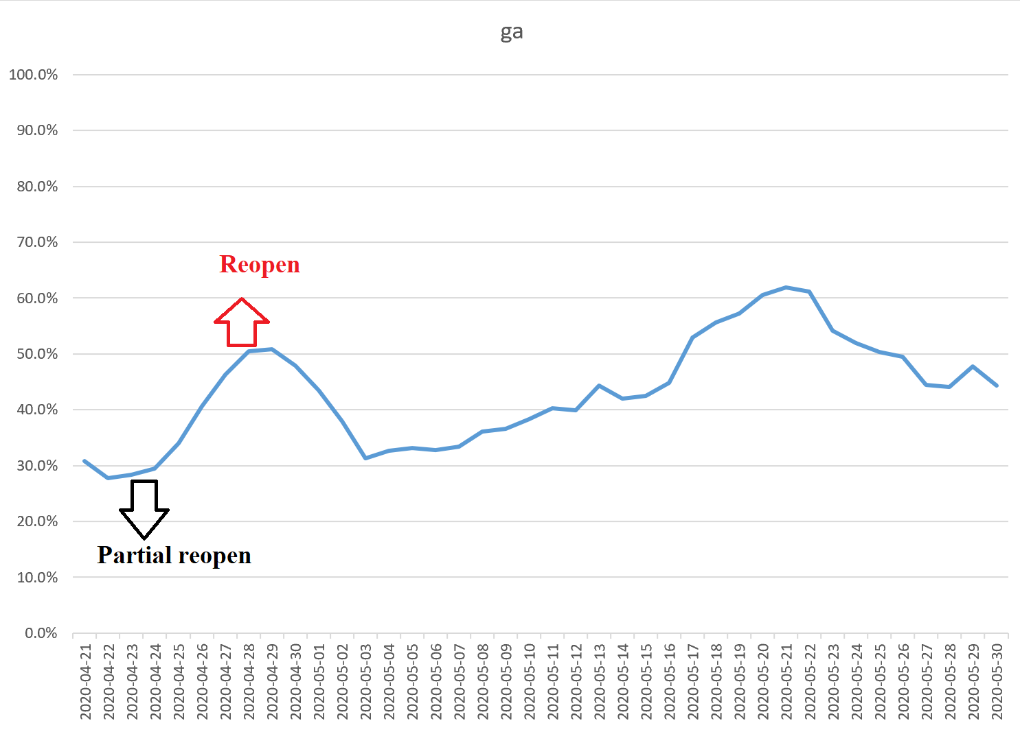
2020-04-24 | 2020-04-27 | GA

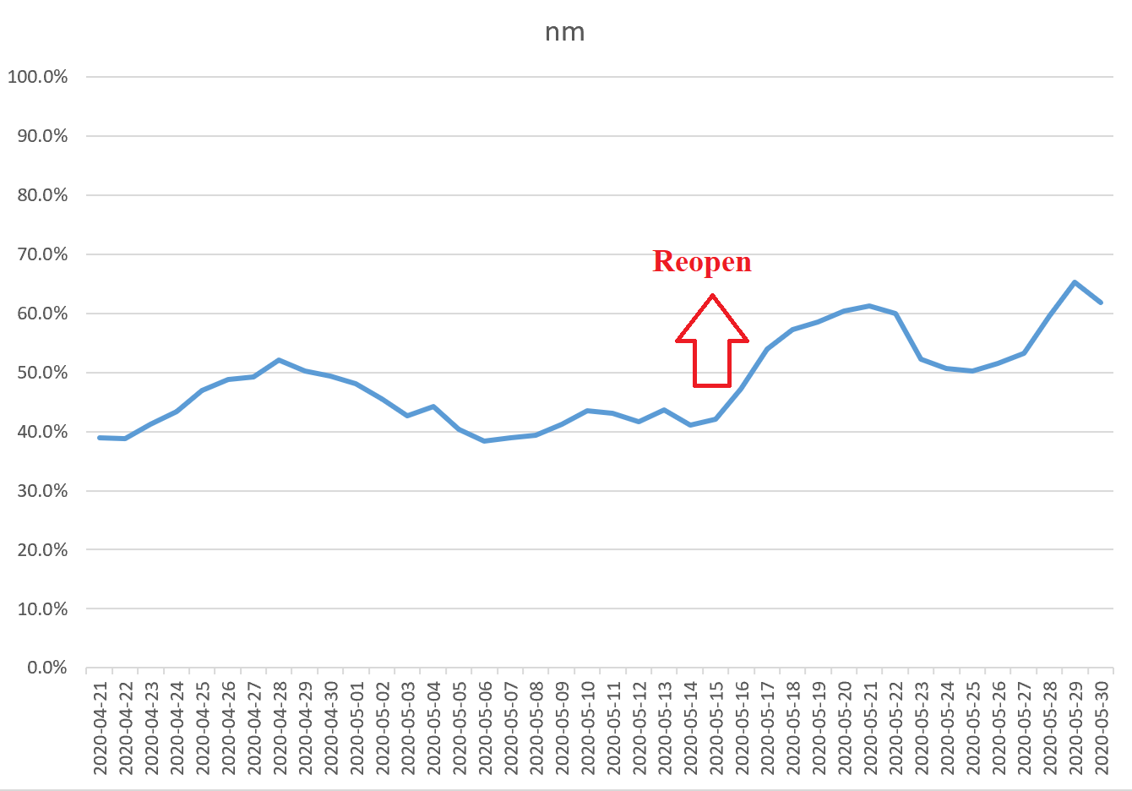
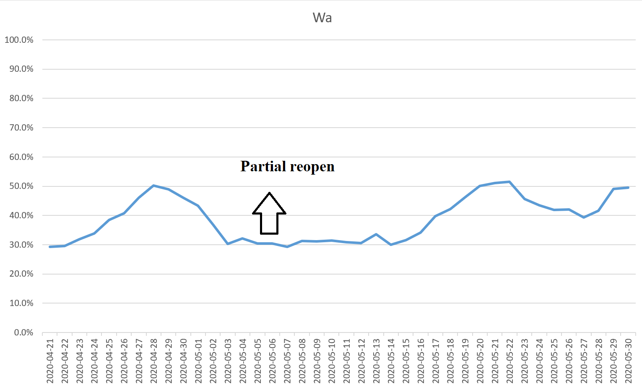
 |  |  |  | Partial | Full | state
 |  |  |  | 2020-05-16 | 2020-06-01 | NM |  | Partial | Full | state
 |  |  |  |  |  |  |  | 2020-05-05 | 2020-06-01 | Wa
Partial | Full | state
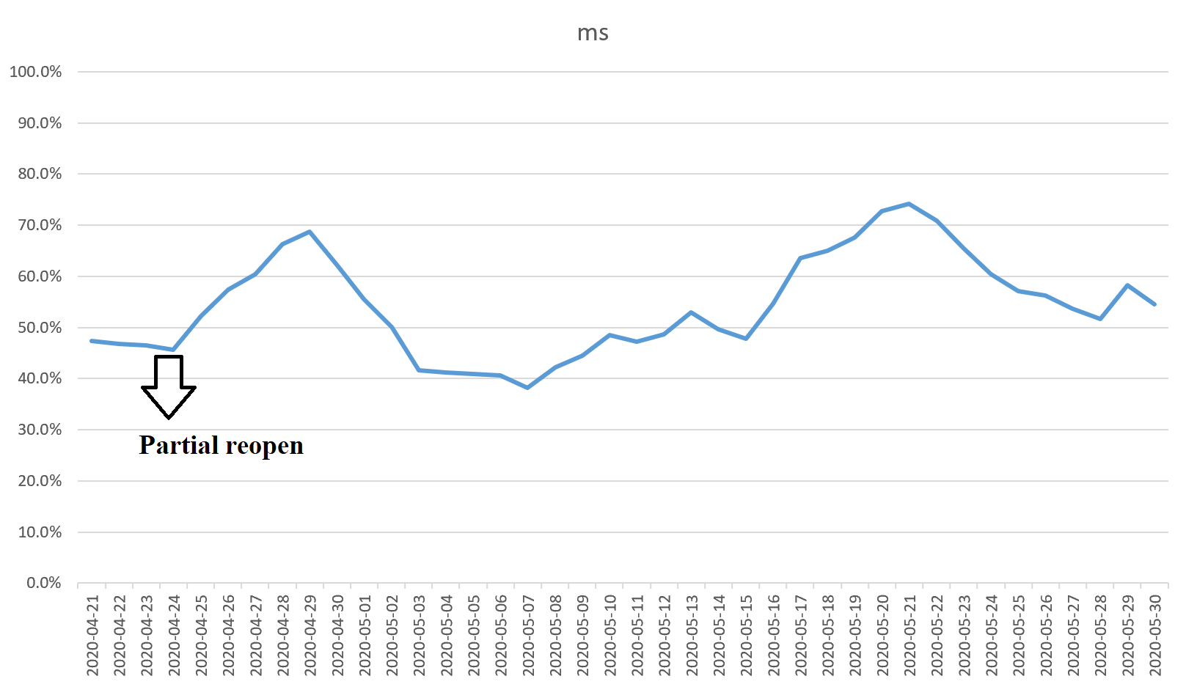
2020-04-24 |  | MS

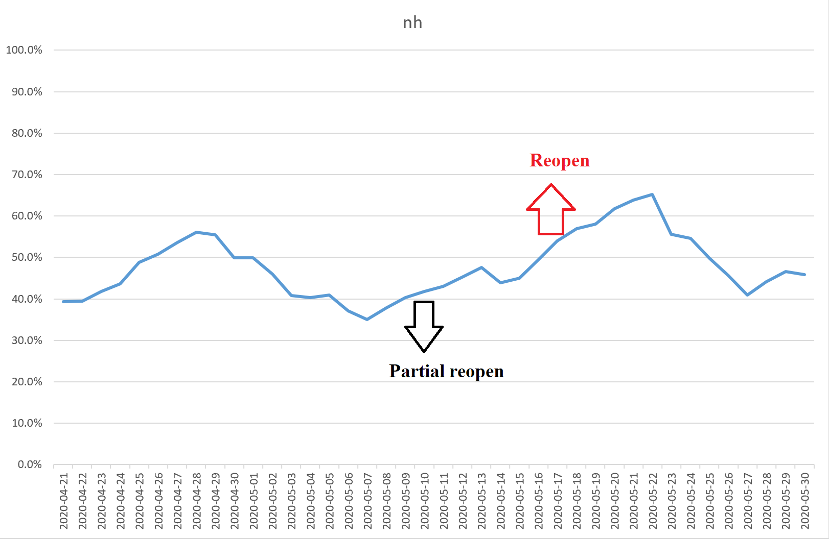
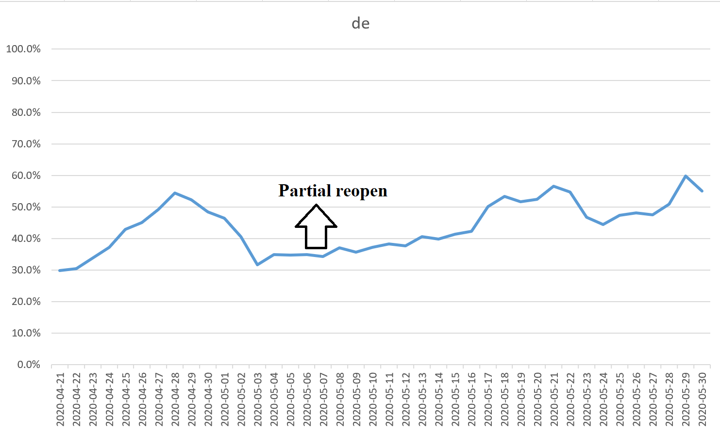
 |  |  |  | Partial | Full | state
 |  |  |  | 2020-05-11 | 2020-05-18 | Nh |  | Partial | Full | state
 |  |  |  |  |  |  |  | 2020-05-08 |  | de
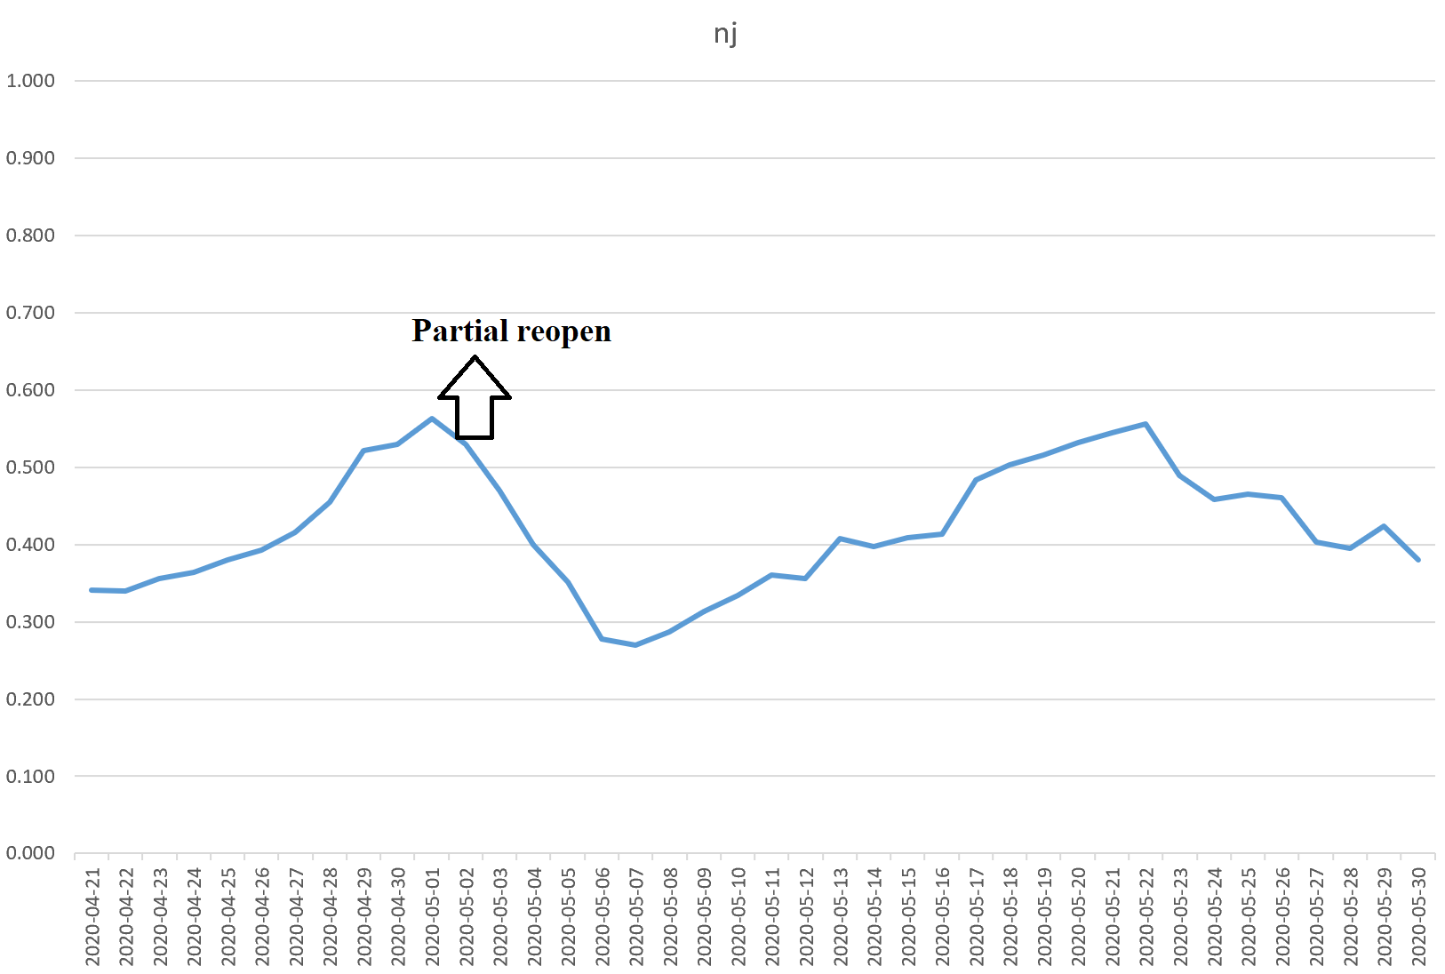
Partial | Full | state
2020-05-02 |  | NJ

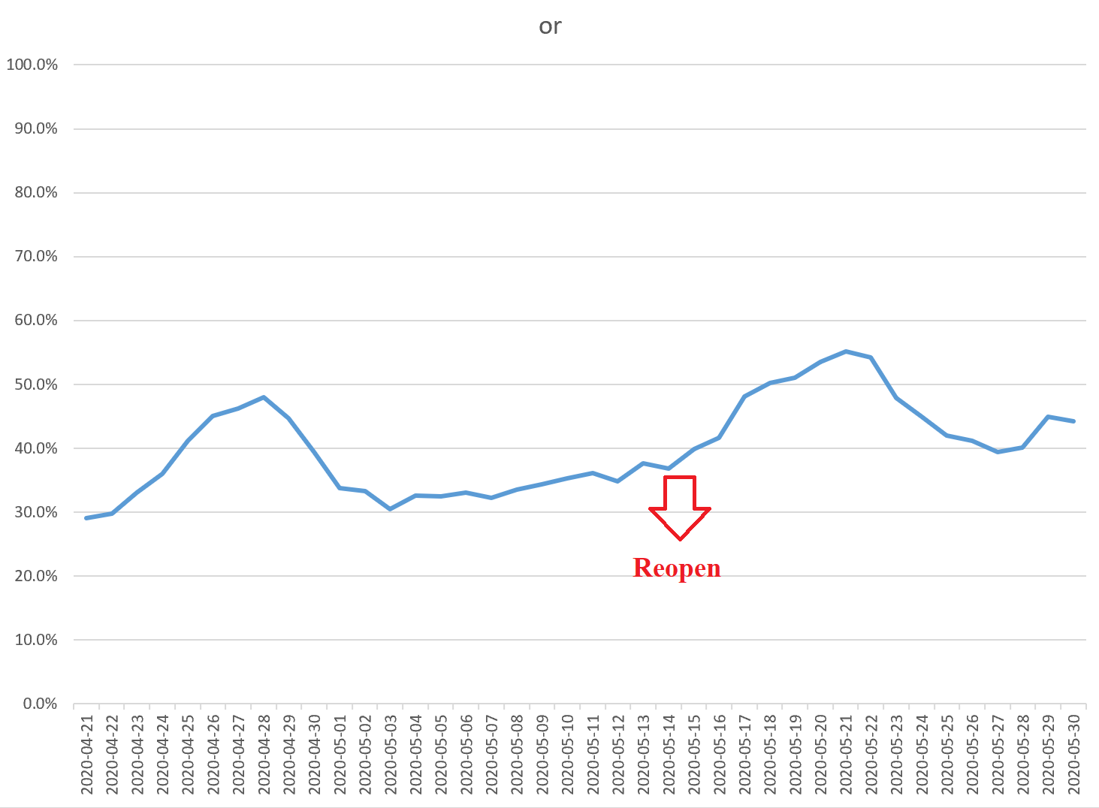
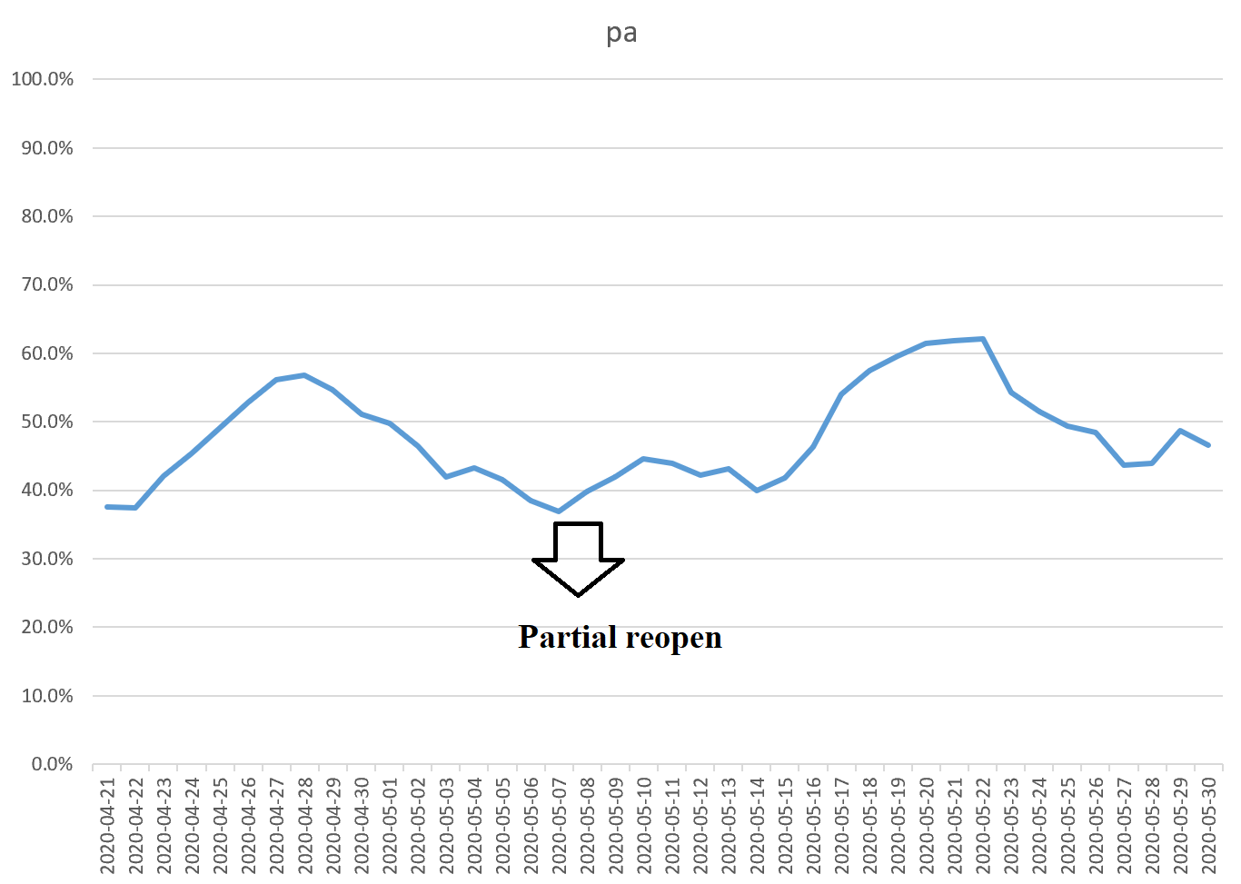
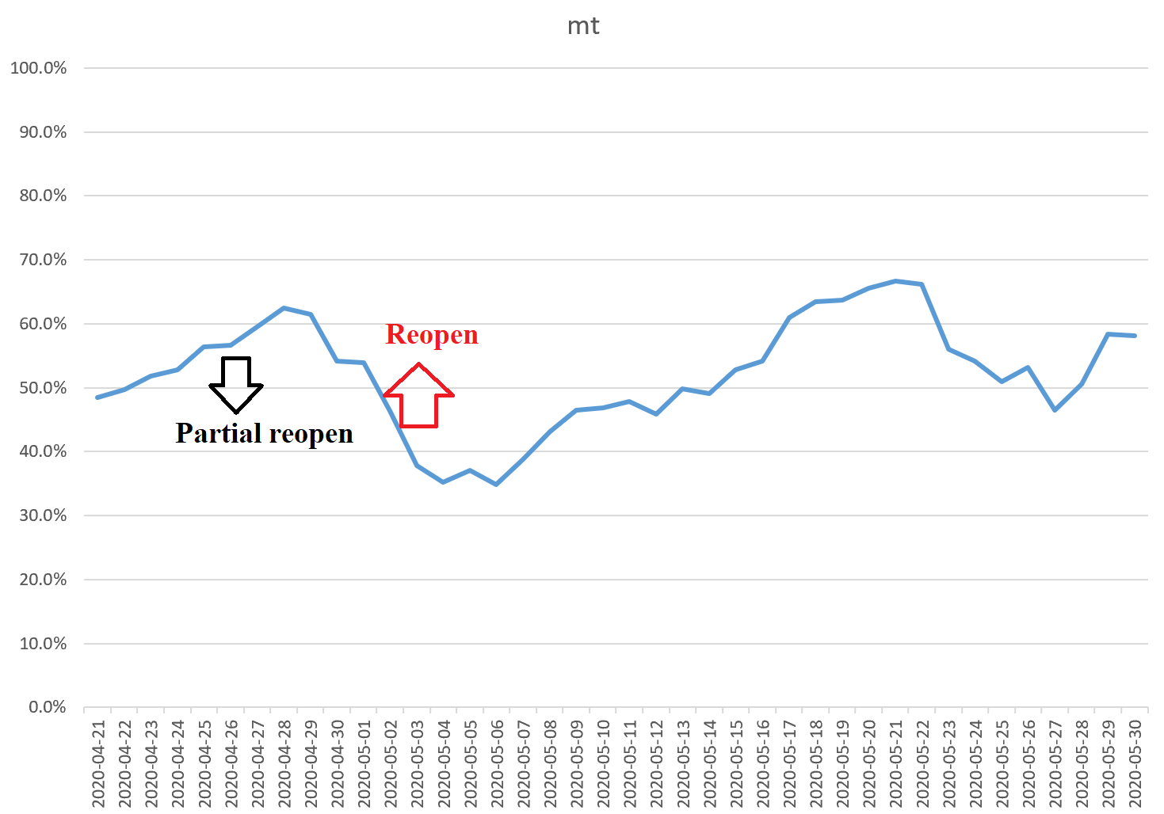
 |  |  |  | Partial | Full | state |  | Partial | Full | state
 |  |  |  |  | 2020-05-15 | Or |  | 2020-05-08 |  | Pa
Partial | Full | state
2020-04-27 | 2020-05-04 | MT

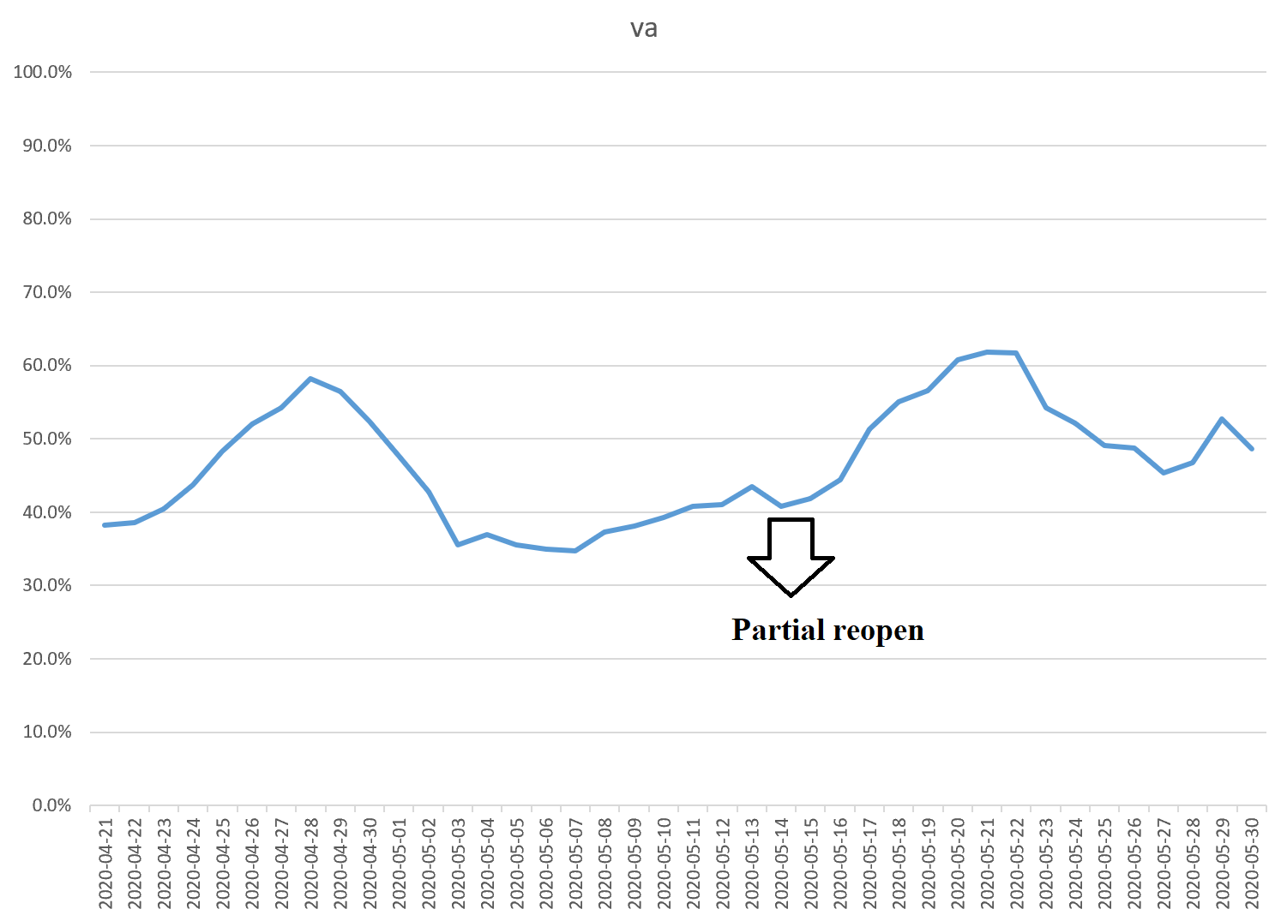
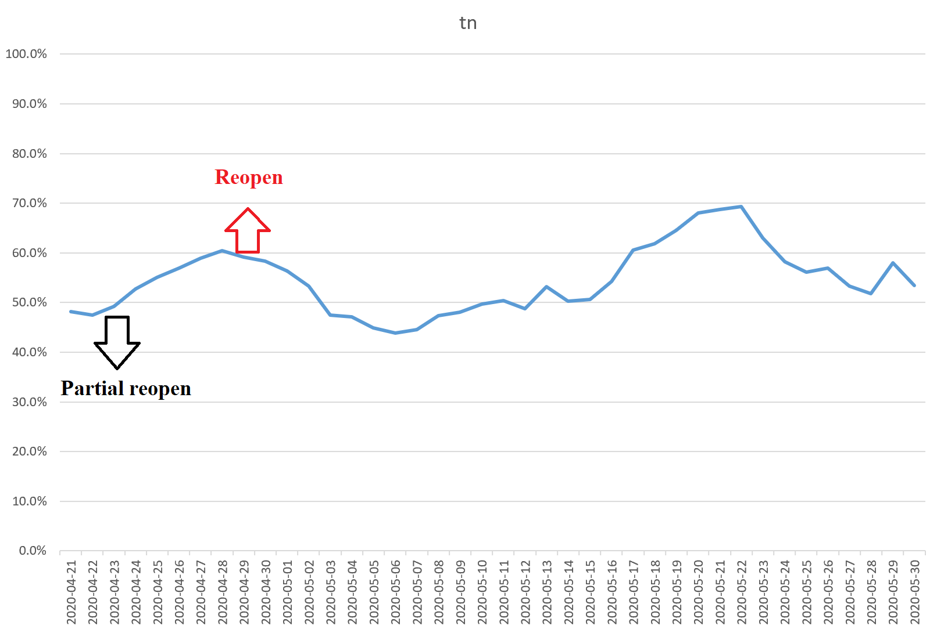
 |  |  |  | Partial | Full | state
Partial | Full | state |  |  | 2020-05-15 | Va
2020-04-27 | 2020-04-29 | TN

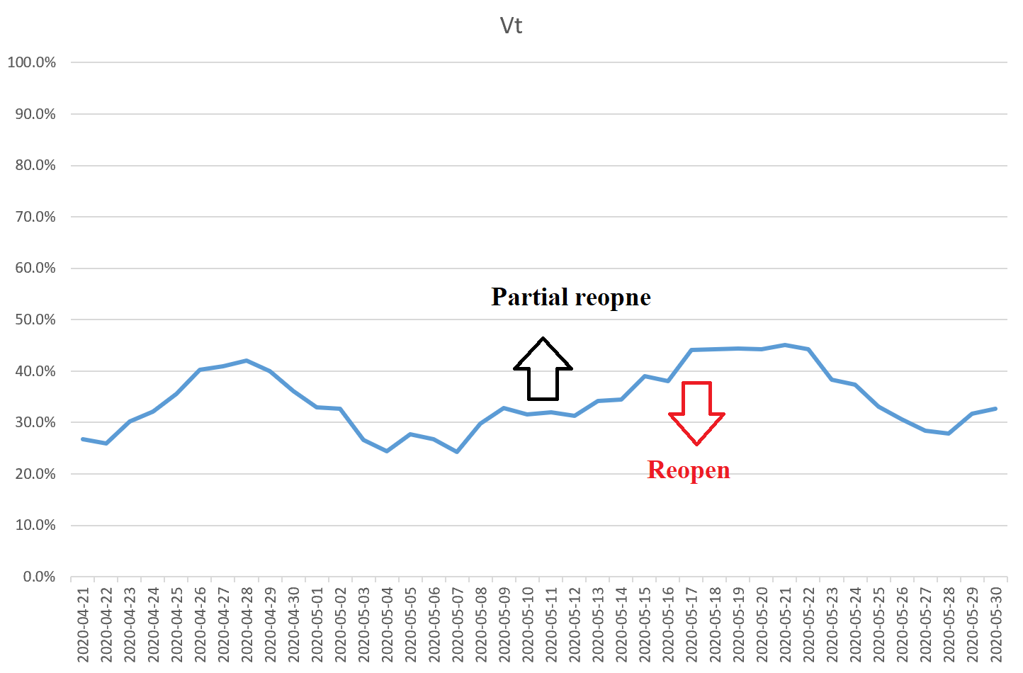
 |  |  |  |  |  |  |  | Partial | Full | state
 |  |  |  |  |  |  |  | 2020-05-11 | 2020-05-18 | Vt

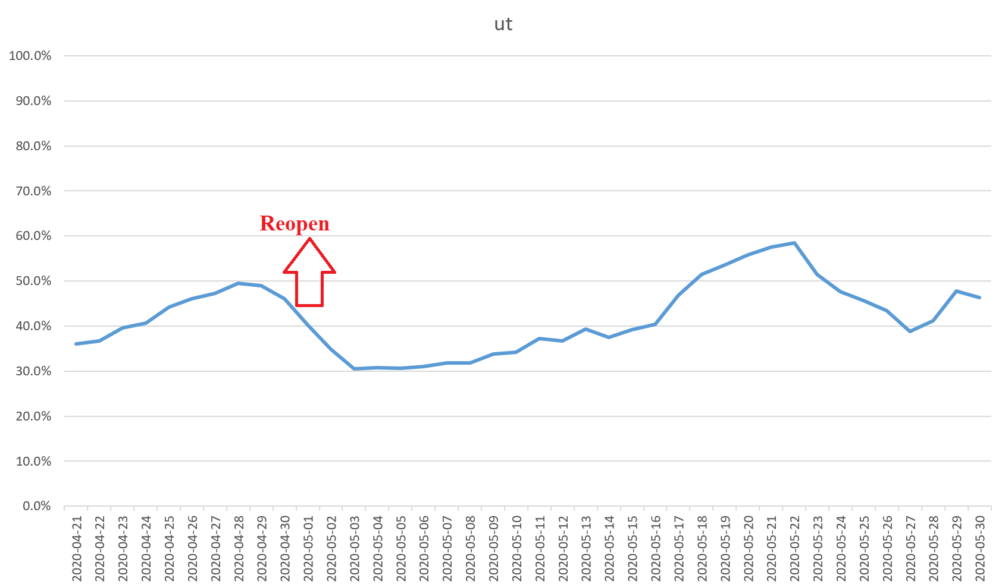
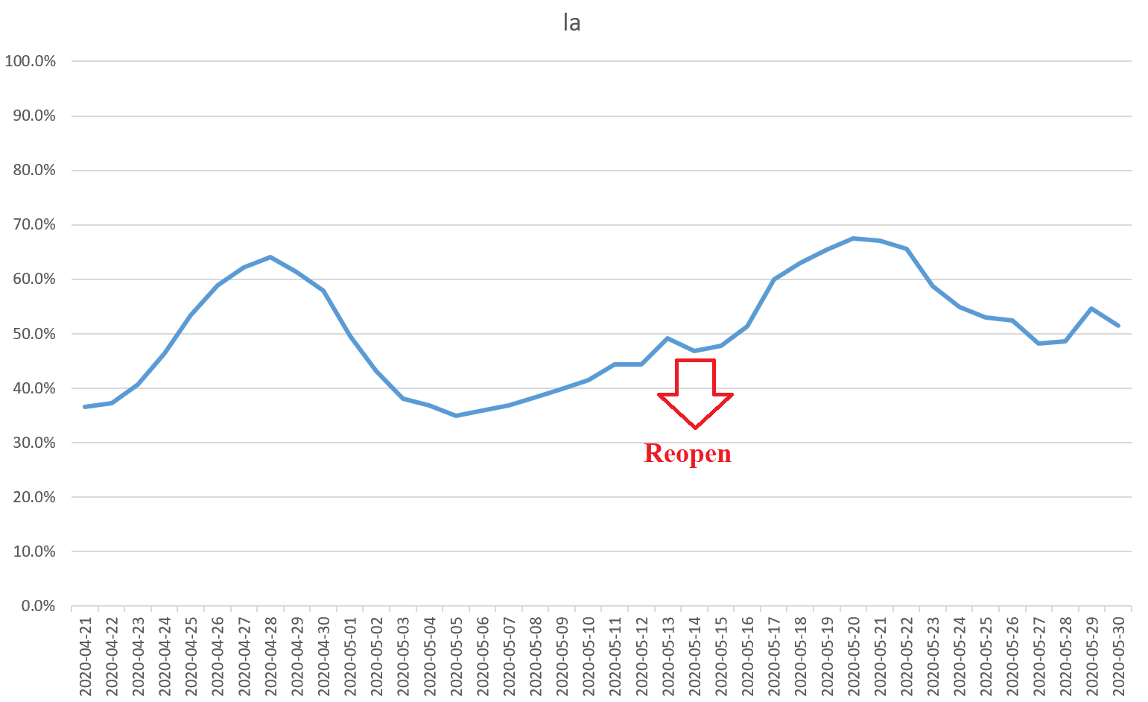
Partial | Full | state
 | 2020-05-01 | UT |  | Partial | Full | state
 |  |  |  |  | 2020-05-15 | La

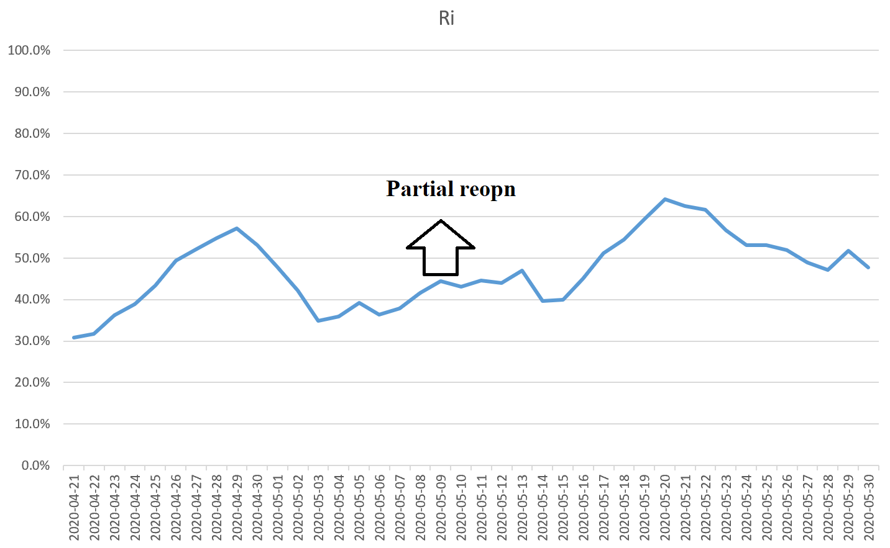
 |  |  |  |  |  |  |  | Partial | Full | state
 |  |  |  |  |  |  |  | 2020-05-09 |  | Ri

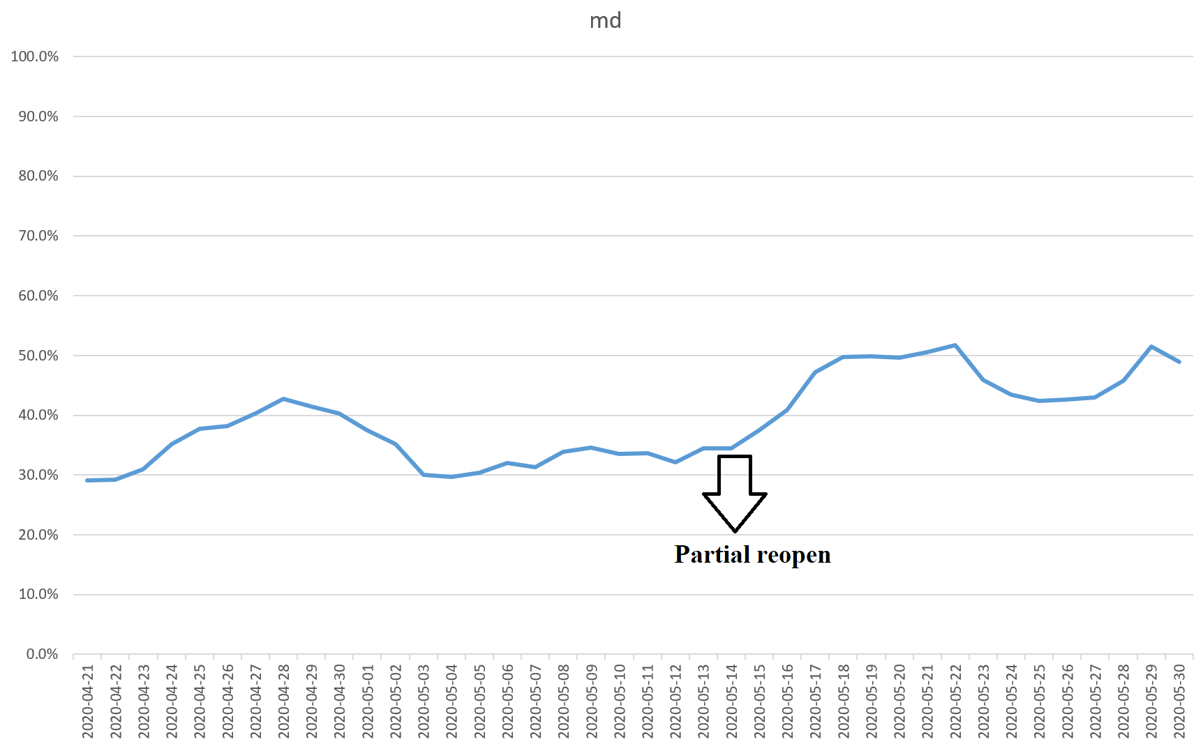
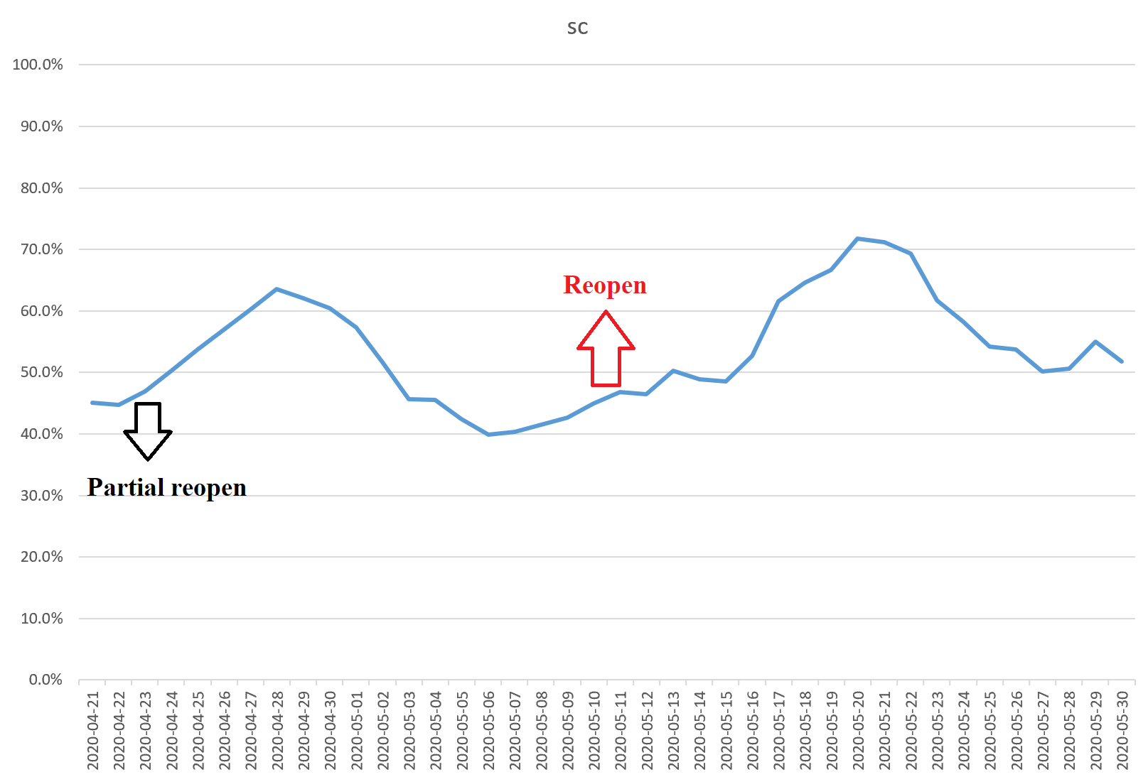
Partial | Full | state |  | Partial | Full | state
2020-04-20 | 2020-05-11 | SC |  |  | 2020-05-15 | Md

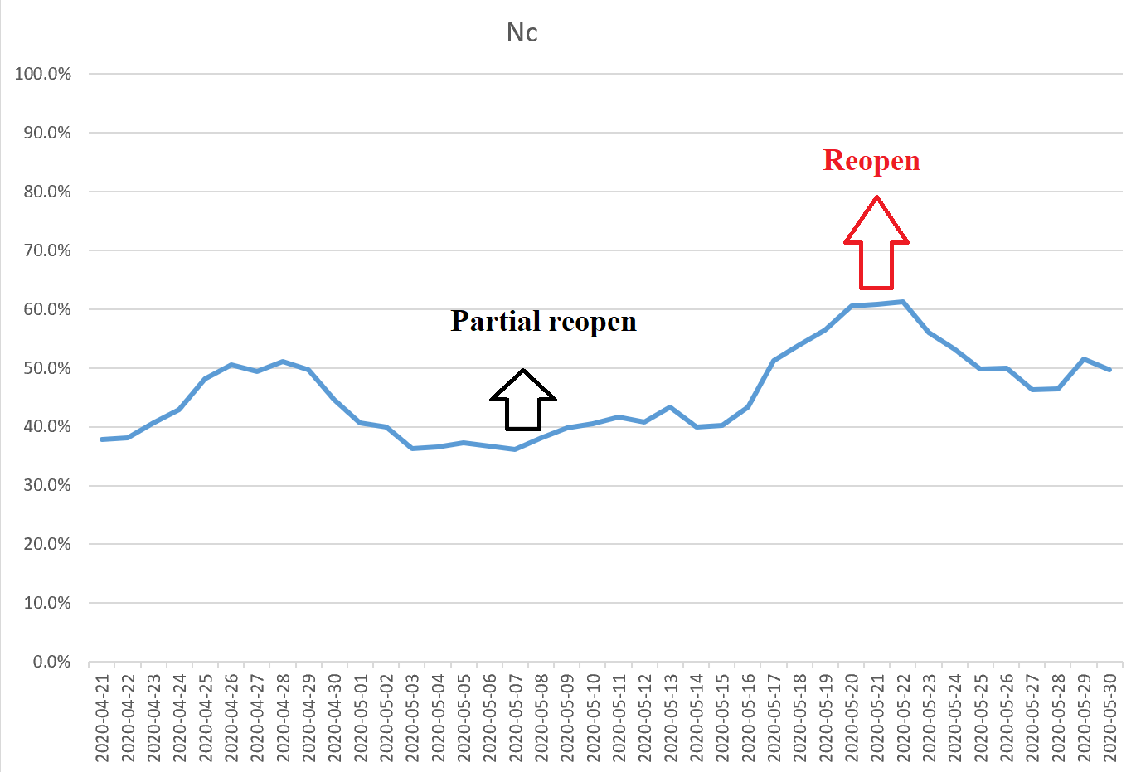
 |  |  |  |  |  |  |  | Partial | Full | state
 |  |  |  |  |  |  |  | 2020-05-08 | 2020-05-22 | Nc

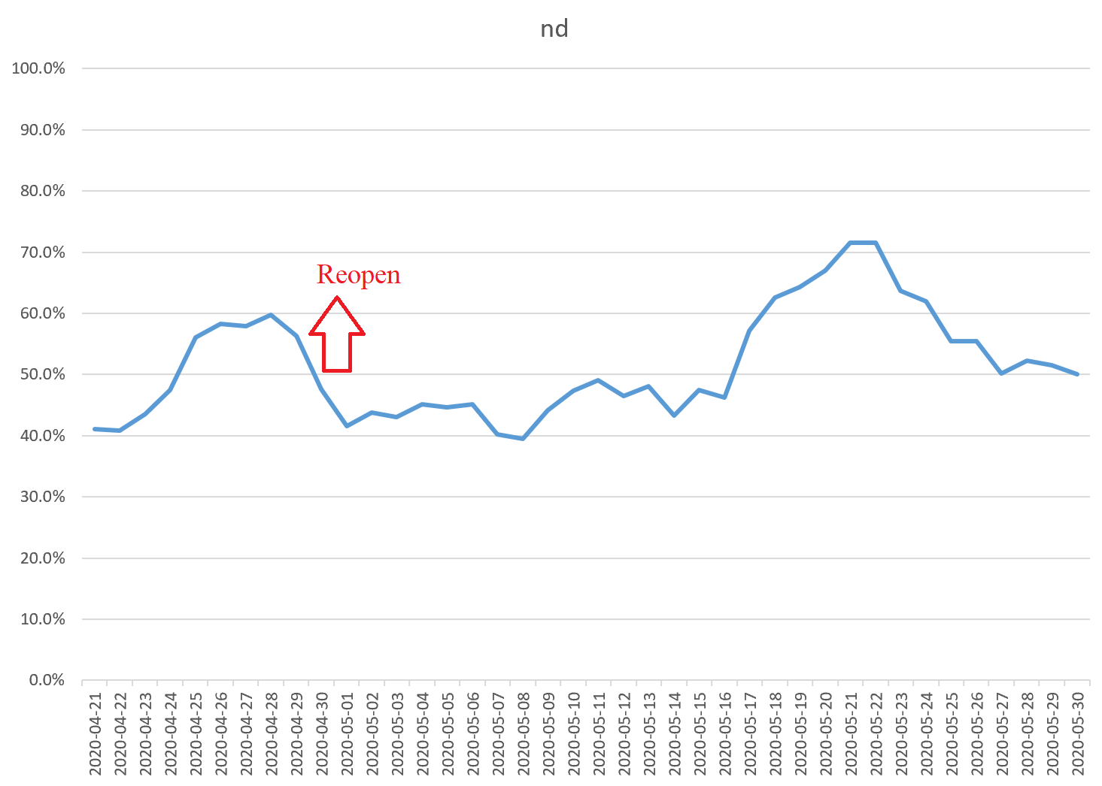
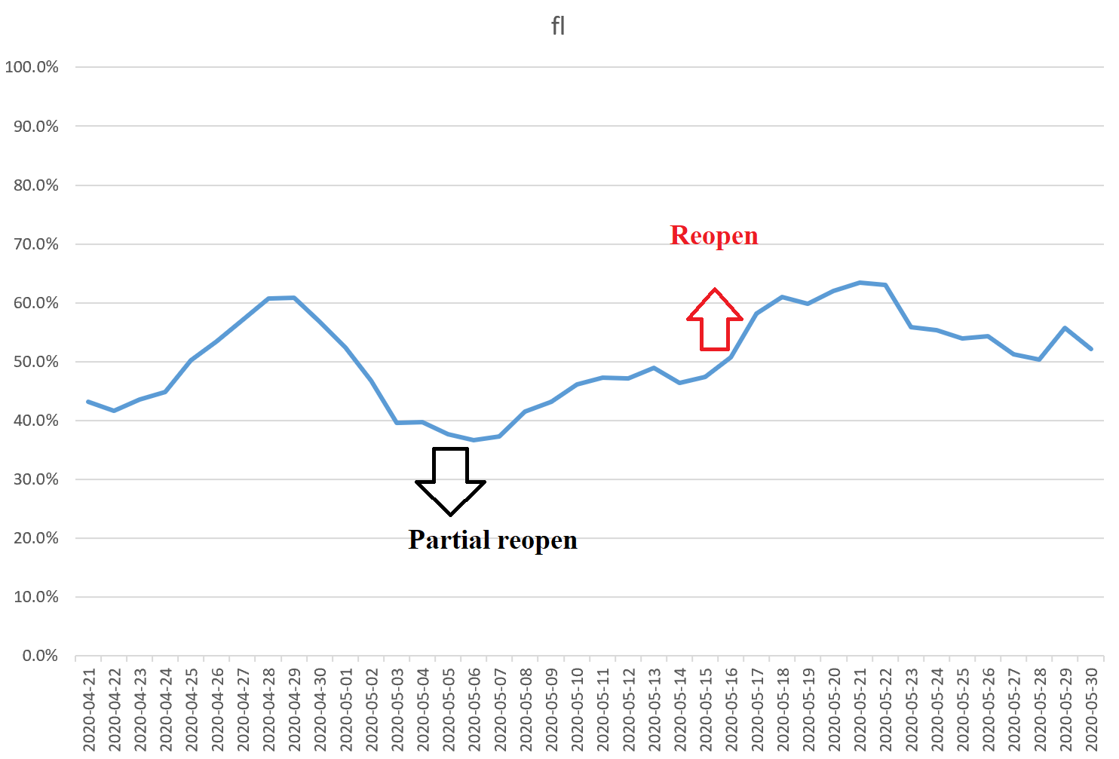
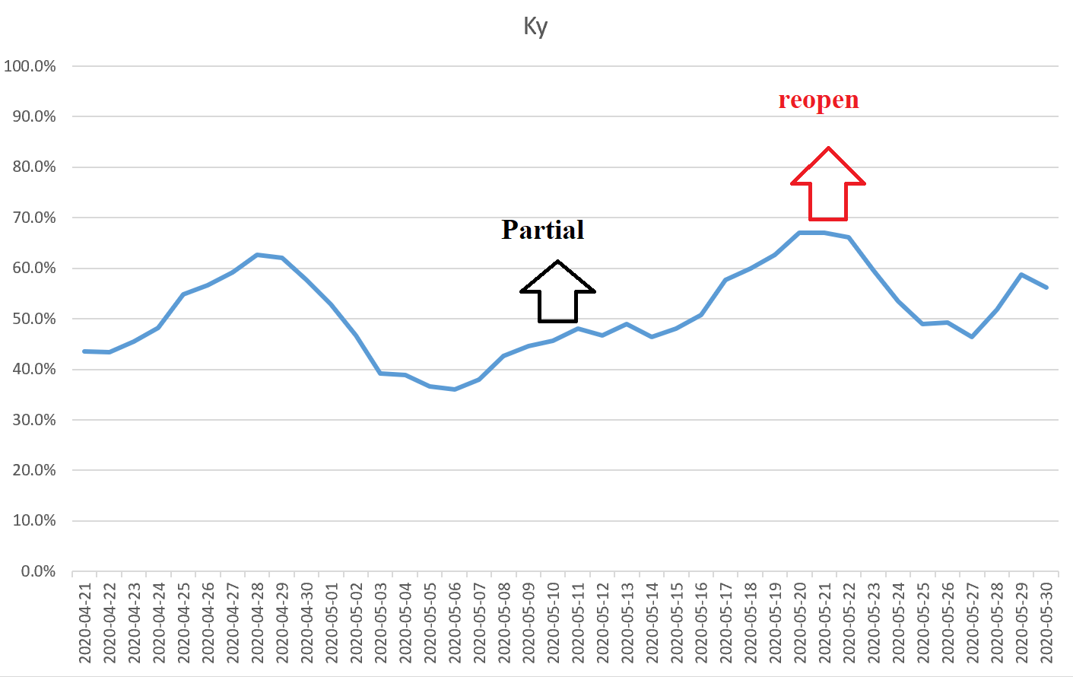
 |  |  |  | Partial | Full | state
Partial | Full | state |  | 2020-05-04 | 2020-05-18 | Fl
 | 2020-05-01 | ND |  |  |  |  |  | Partial | Full | state
 |  |  |  |  |  |  |  | 2020-05-11 | 2020-05-22 | Ky

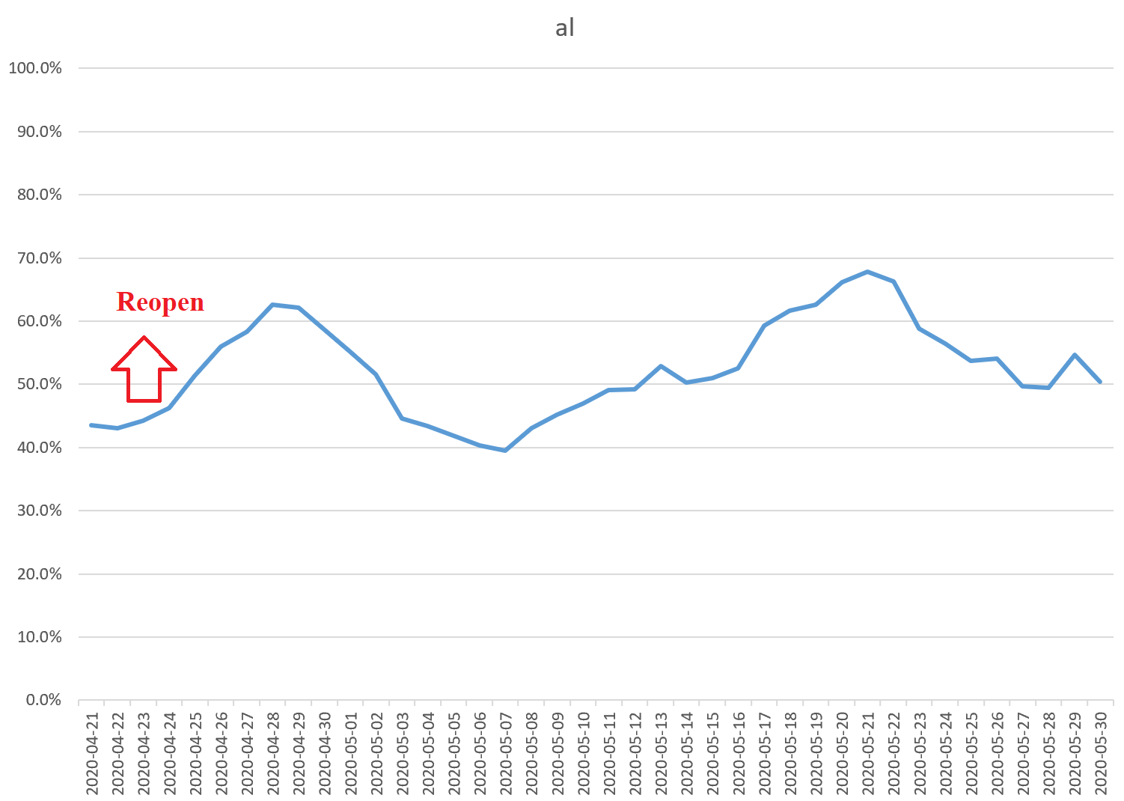
Partial | Full | state |  | Partial | Full | state
 | 2020-04-24 | al |  | 2020-05-16 | 2020-05-30 | Id
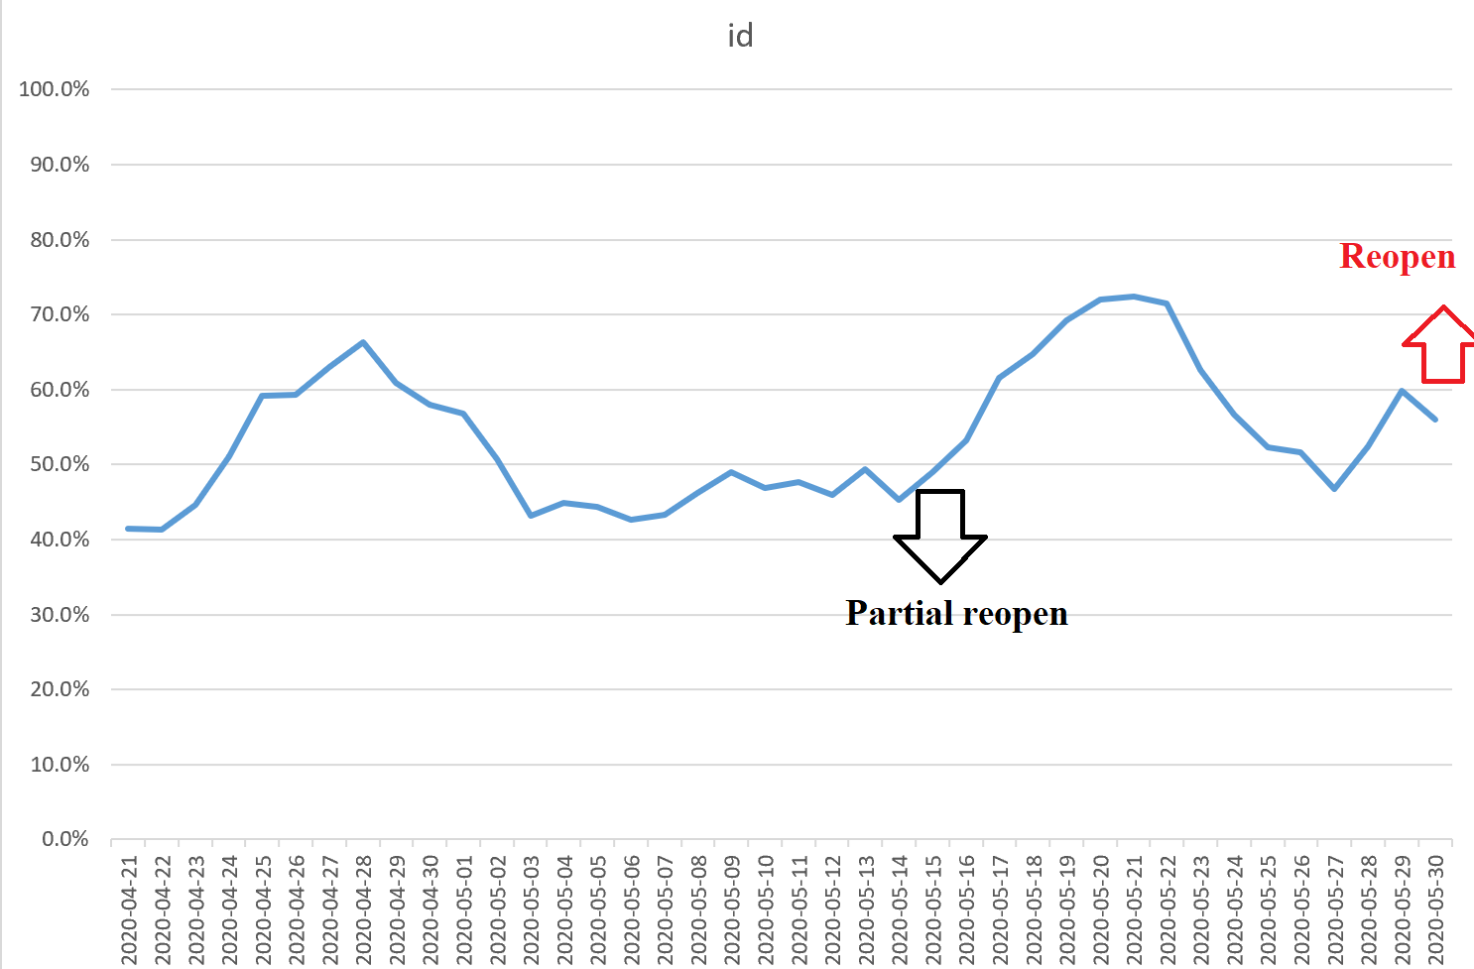

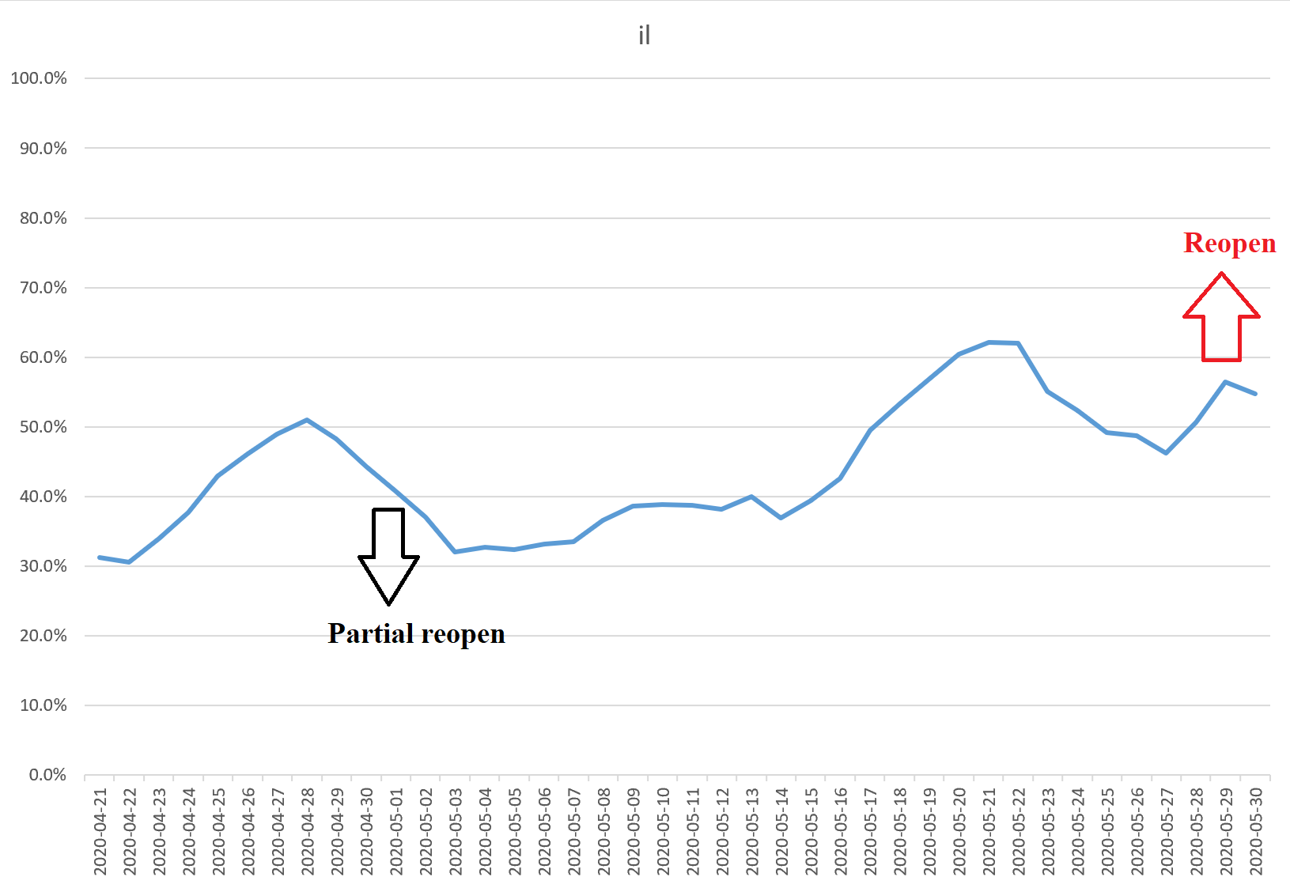
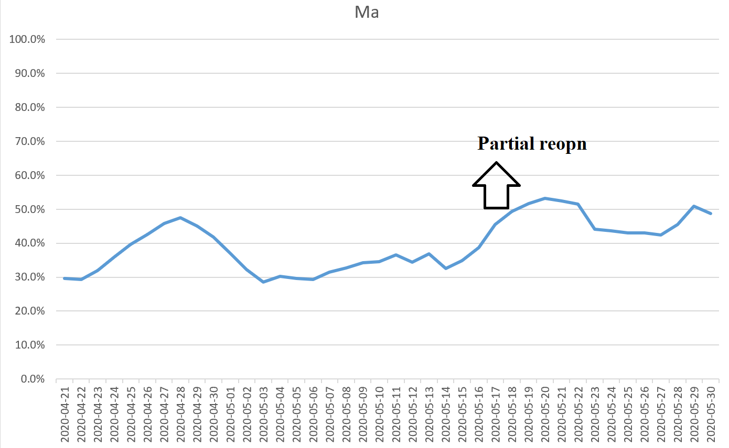
Partial | Full | state
2020-05-01 | 2020-05-29 | il |  | Partial | Full | state
 |  |  |  | 2020-05-18 |  | Ma

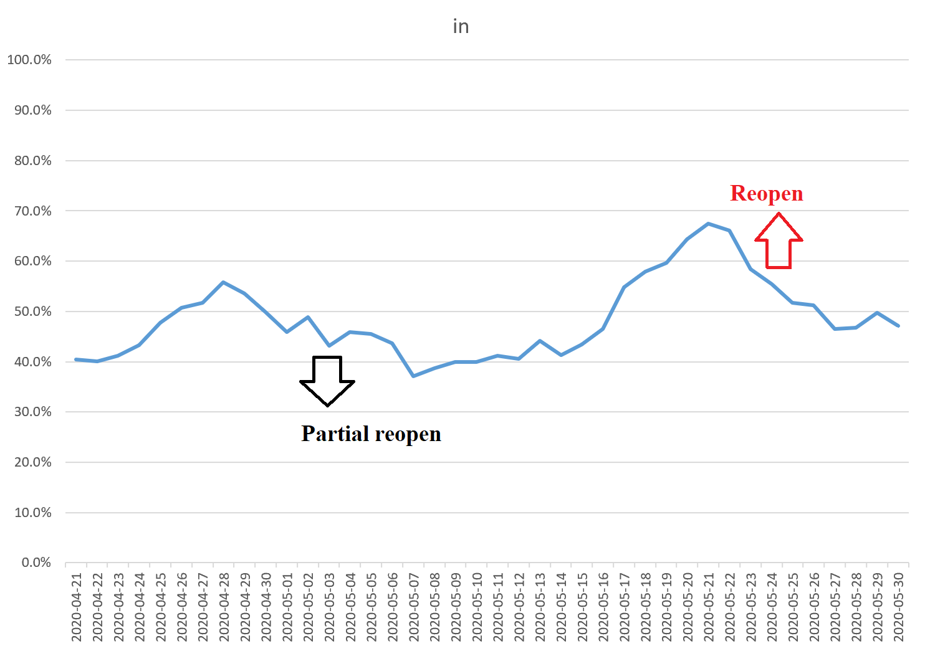
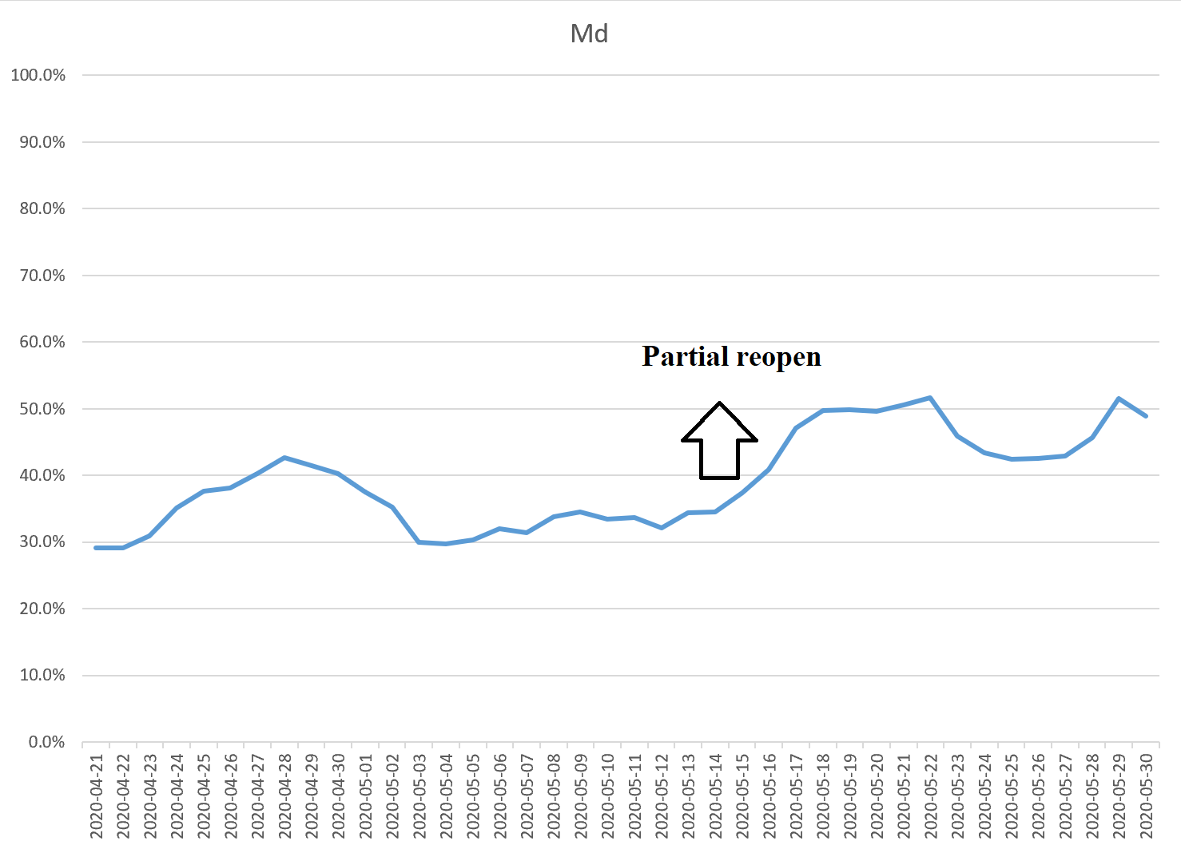
Partial | Full | state
2020-05-04 | 2020-05-24 | in |  | Partial | Full | state
 |  |  |  | 2020-05-15 |  | Md

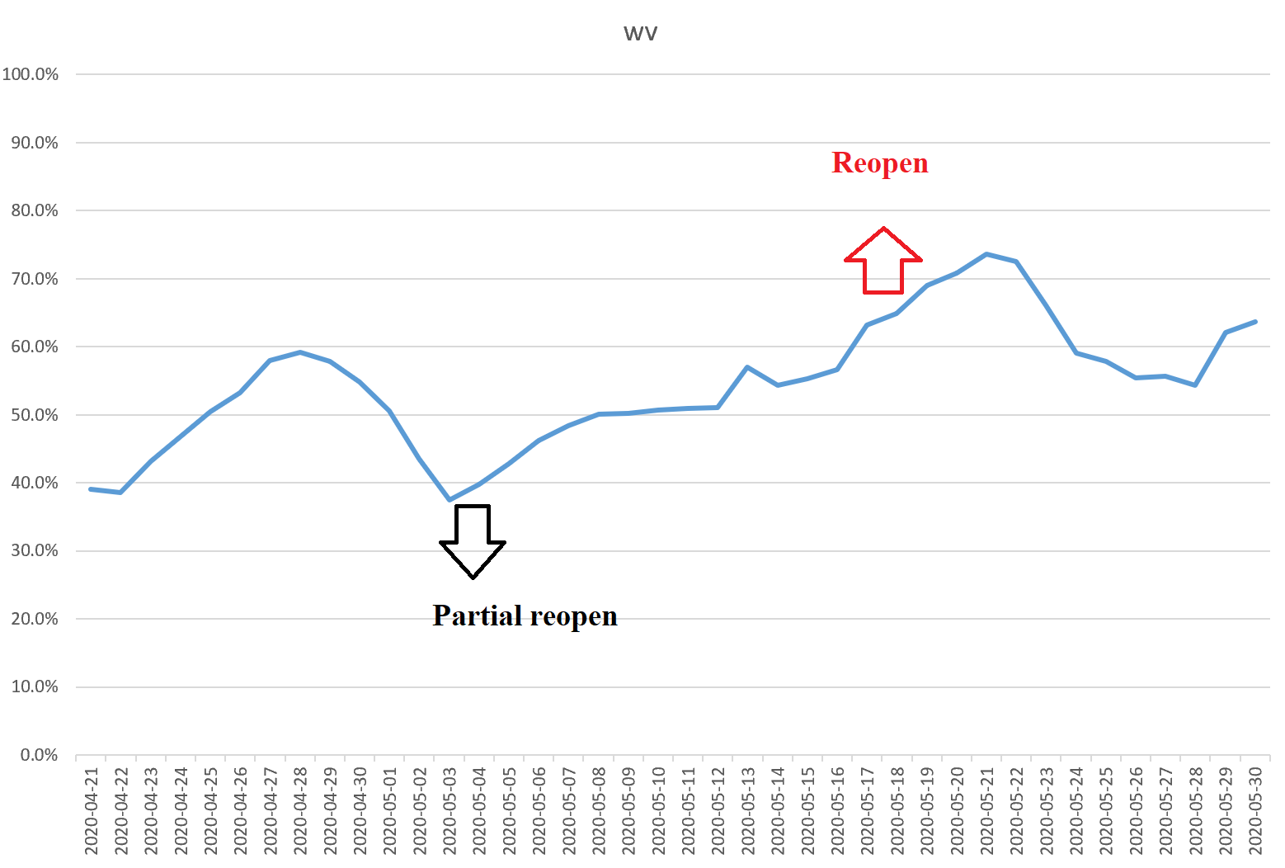
Partial | Full | state
2020-05-04 | 2020-05-21 | wv

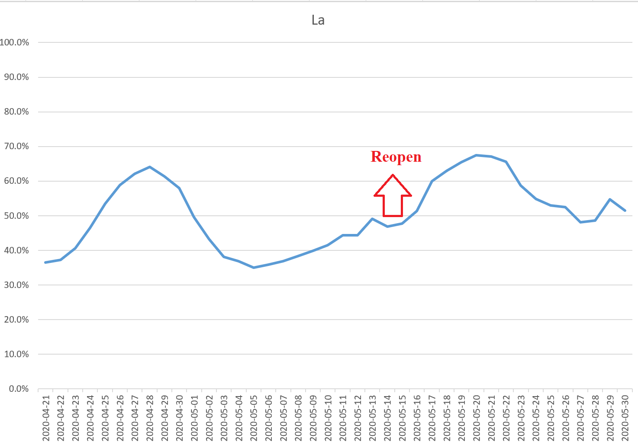
 |  |  |  | Partial | Full | state
 |  |  |  |  | 2020-05-15 | La

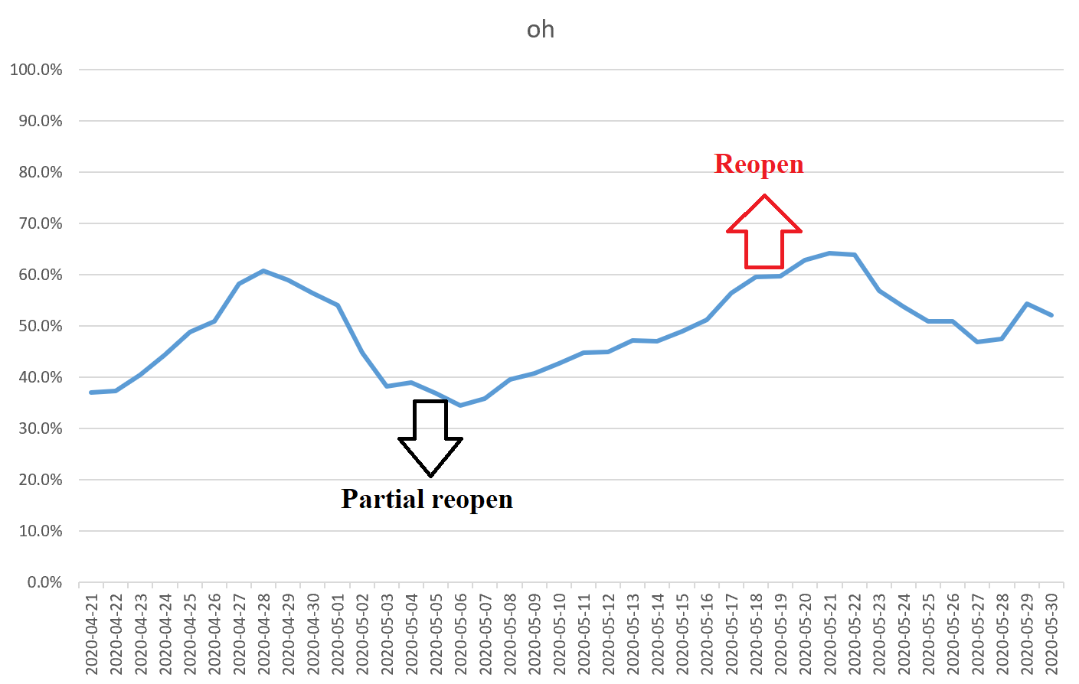

Partial | Full | state
2020-05-04 | 2020-05-21 | oh

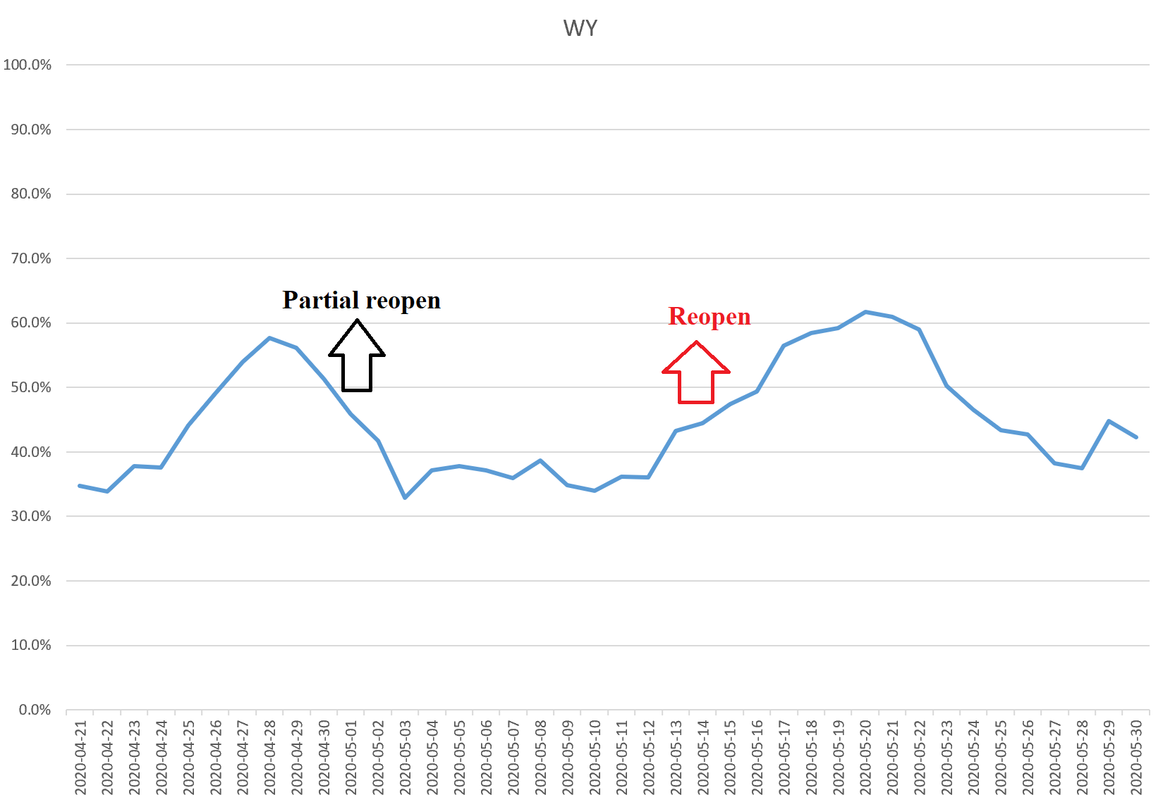
Partial | Full | state
2020-05-01 | 2020-05-15 | Wy

Partial | Full | state
2020-05-01 | 2020-05-11 | Wi
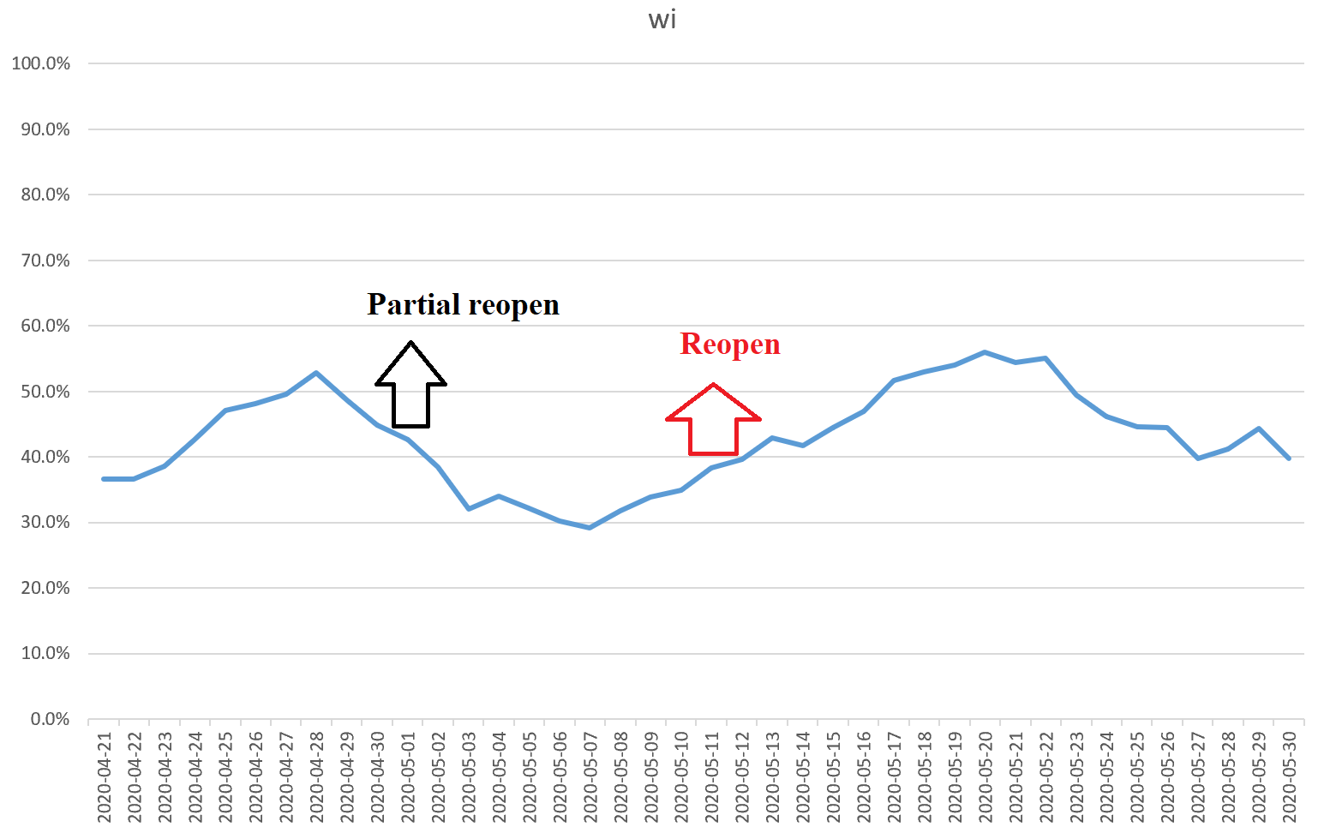

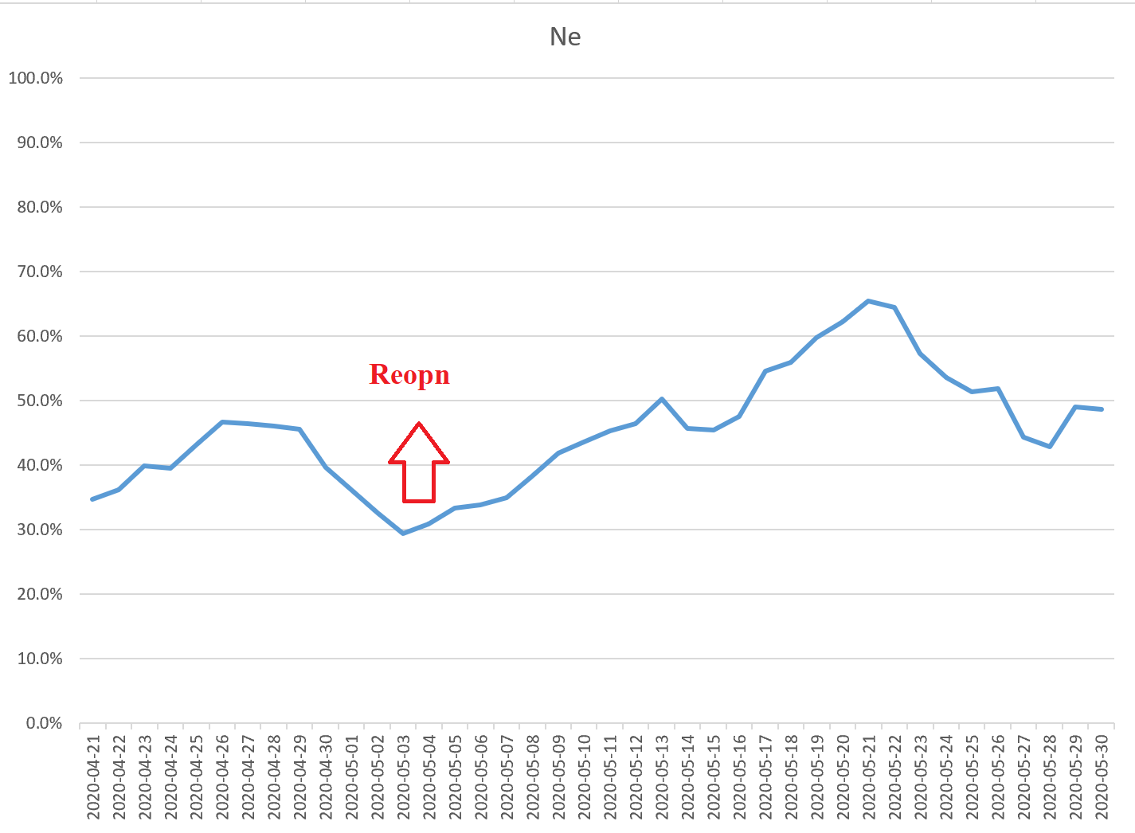
Partial | Full | state
 | 2020-05-04 | Ne

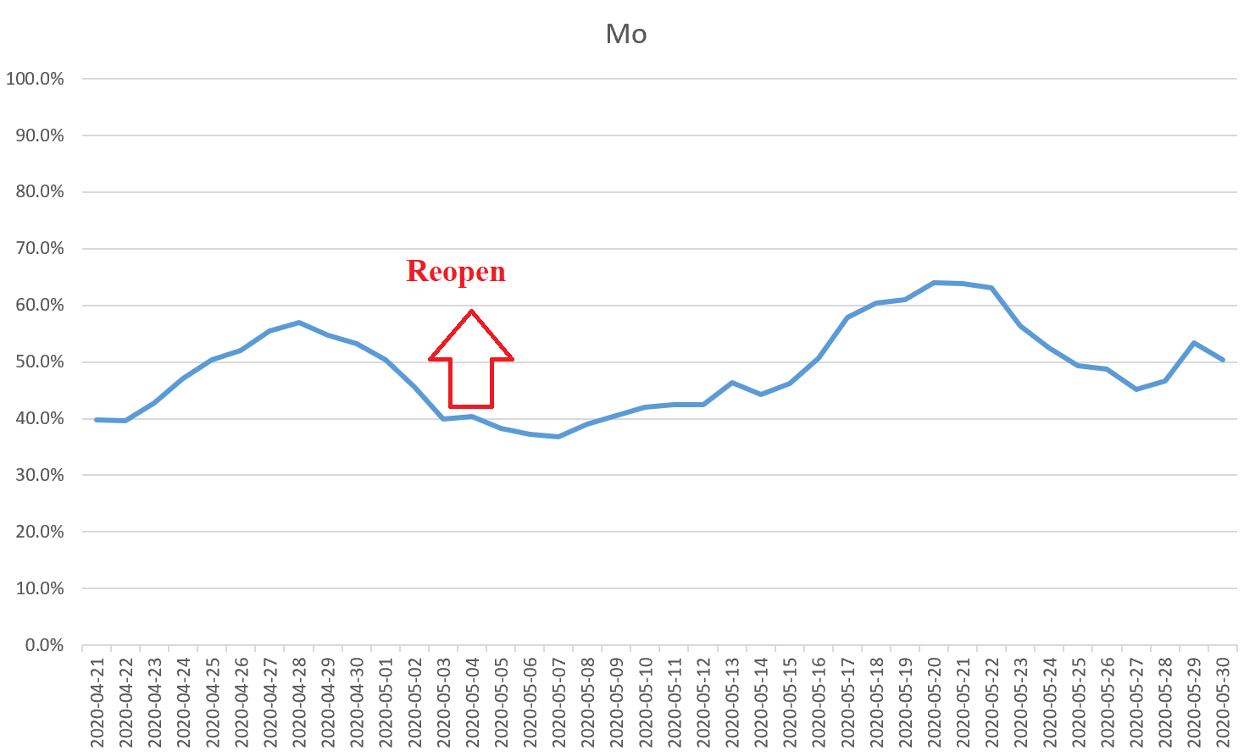
Partial | Full | state
 | 2020-05-04 | Mo

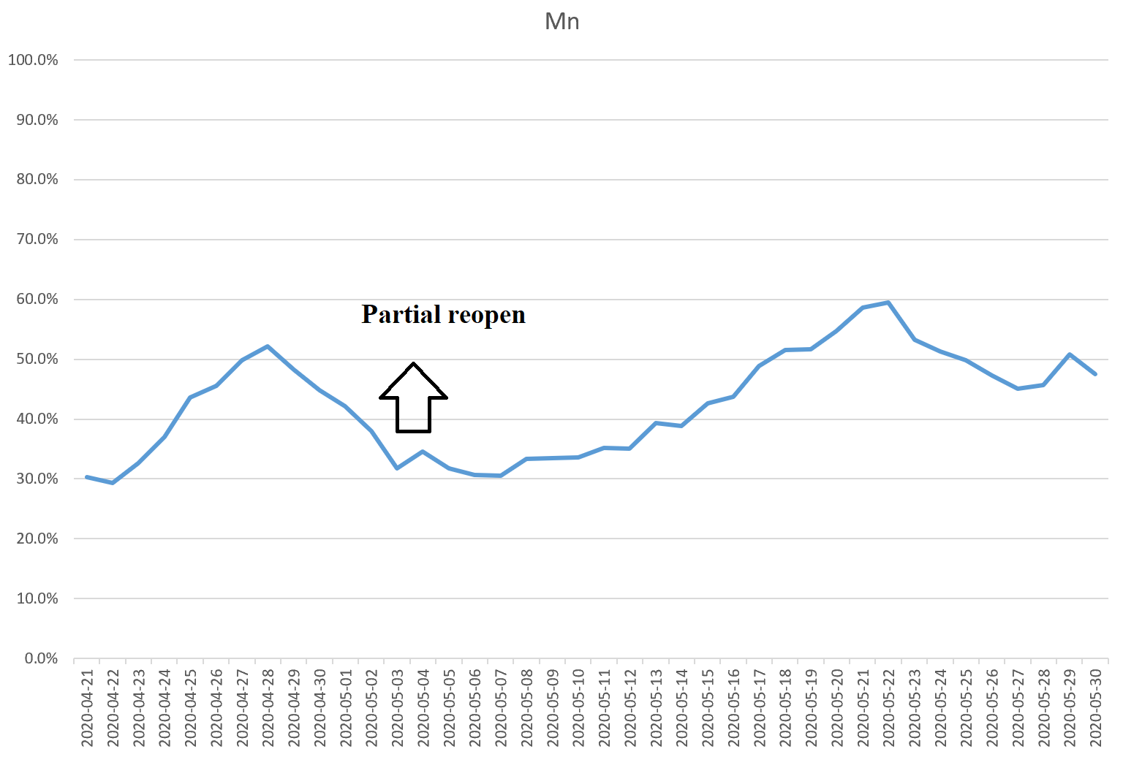
Partial | Full | state
 | 2020-05-04 | Mn

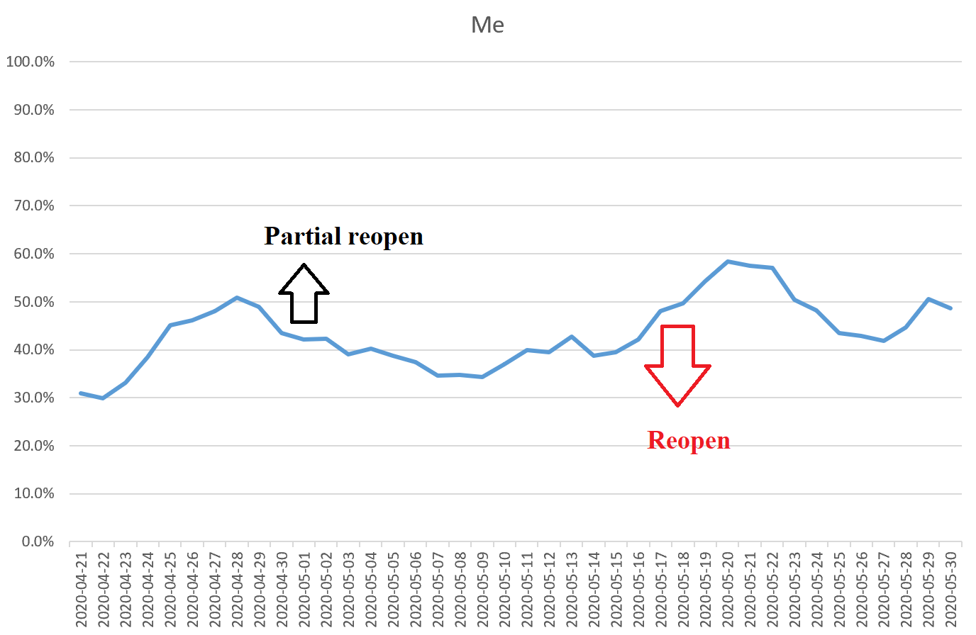
Partial | Full | state
2020-05-04 | 2020-05-18 | Me

Ks
2020-04-21 | 34.1%
2020-04-22 | 34.7%
2020-04-23 | 39.4%
2020-04-24 | 41.0%
2020-04-25 | 46.5%
2020-04-26 | 50.3%
2020-04-27 | 52.1%
2020-04-28 | 52.8%
2020-04-29 | 53.8%
2020-04-30 | 53.9%
2020-05-01 | 52.9%
2020-05-02 | 50.2%
2020-05-03 | 45.5%
2020-05-04 | 44.7%
2020-05-05 | 40.5%
2020-05-06 | 35.3%
2020-05-07 | 34.0%
2020-05-08 | 35.6%
2020-05-09 | 35.4%
2020-05-10 | 37.1%
2020-05-11 | 39.4%
2020-05-12 | 38.9%
2020-05-13 | 41.8%
2020-05-14 | 40.6%
2020-05-15 | 40.6%
2020-05-16 | 43.1%
2020-05-17 | 51.7%
2020-05-18 | 55.4%
2020-05-19 | 58.1%
2020-05-20 | 62.9%
2020-05-21 | 65.0%
2020-05-22 | 64.8%
2020-05-23 | 56.9%
2020-05-24 | 54.7%
2020-05-25 | 51.3%
2020-05-26 | 50.8%
2020-05-27 | 44.3%
2020-05-28 | 44.4%
2020-05-29 | 47.0%
2020-05-30 | 45.3%
Partial | Full | state
2020-05-04 | 2020-05-18 | KS

5 selected

 |  |  | Group a | Group b | Group c
 |  |  | TX | CA | CT
 |  |  | OK | DE | NY
 |  |  | GA | HI | VA
 |  |  | MS | PA | OR
 |  |  | Ut | WA | MI

Partial | Full | state |  |  |  | Partial | Full | state | Partial | Full | state
2020-04-24 | 2020-05-01 | TX |  |  |  | 2020-05-08 |  | Ca |  | 2020-05-20 | CT

 |  |  |  |  |  |  |  |  | Partial | Full | state
 |  |  |  |  |  | Partial | Full | state | 2020-05-15 |  | NY
Partial | Full | state |  |  |  |  | 2020-05-07 | Hi
2020-04-24 | 2020-05-01 | OK

 |  |  |  |  |  |  |  |  | Partial | Full | state
 |  |  |  |  |  | Partial | Full | state |  | 2020-05-15 | Va
Partial | Full | state |  |  |  | 2020-05-05 | 2020-06-01 | Wa
2020-04-24 | 2020-04-27 | GA

 |  |  |  |  |  | Partial | Full | state
Partial | Full | state |  |  |  | 2020-05-08 |  | de | Partial | Full | state
2020-04-24 |  | MS |  |  |  |  |  |  |  | 2020-05-15 | Or

 |  |  |  |  |  | Partial | Full | state
 |  |  |  |  |  | 2020-05-08 |  | Pa
Partial | Full | state |  |  |  |  |  |  | Partial | Full | state
 | 2020-05-01 | UT |  |  |  |  |  |  | 2020-05-22 |  | MI

Figure 4
Texas
 | 5-day moving average (TX)
2020-04-17
2020-04-18
2020-04-19
2020-04-20
2020-04-21 | 40.2%
2020-04-22 | 39.6%
2020-04-23 | 44.0%
2020-04-24 | 48.2%
2020-04-25 | 53.4%
2020-04-26 | 56.0%
2020-04-27 | 58.4%
2020-04-28 | 59.1%
2020-04-29 | 54.6%
2020-04-30 | 50.5%
2020-05-01 | 44.2%
2020-05-02 | 39.2%
2020-05-03 | 37.2%
2020-05-04 | 40.1%
2020-05-05 | 39.3%
2020-05-06 | 40.6%
2020-05-07 | 40.8%
2020-05-08 | 41.7%
2020-05-09 | 43.1%
2020-05-10 | 44.3%
2020-05-11 | 45.2%
2020-05-12 | 44.9%
2020-05-13 | 47.8%
2020-05-14 | 44.3%
2020-05-15 | 45.3%
2020-05-16 | 49.4%
2020-05-17 | 57.5%
2020-05-18 | 60.5%
2020-05-19 | 63.4%
2020-05-20 | 66.8%
2020-05-21 | 67.3%
2020-05-22 | 65.7%
2020-05-23 | 58.1%
2020-05-24 | 54.8%
2020-05-25 | 52.8%
2020-05-26 | 53.1%
2020-05-27 | 49.9%
2020-05-28 | 49.9%
2020-05-29 | 55.1%
2020-05-30 | 51.4%
California
 | 5-day moving average (CA)
2020-04-17
2020-04-18
2020-04-19
2020-04-20
2020-04-21 | 30.8%
2020-04-22 | 31.0%
2020-04-23 | 34.2%
2020-04-24 | 37.0%
2020-04-25 | 43.5%
2020-04-26 | 46.4%
2020-04-27 | 48.1%
2020-04-28 | 49.6%
2020-04-29 | 48.1%
2020-04-30 | 43.2%
2020-05-01 | 39.7%
2020-05-02 | 36.2%
2020-05-03 | 33.3%
2020-05-04 | 35.5%
2020-05-05 | 35.7%
2020-05-06 | 36.1%
2020-05-07 | 36.9%
2020-05-08 | 38.7%
2020-05-09 | 39.2%
2020-05-10 | 39.0%
2020-05-11 | 39.0%
2020-05-12 | 38.8%
2020-05-13 | 41.3%
2020-05-14 | 39.5%
2020-05-15 | 40.8%
2020-05-16 | 43.8%
2020-05-17 | 50.2%
2020-05-18 | 52.9%
2020-05-19 | 54.7%
2020-05-20 | 58.6%
2020-05-21 | 59.2%
2020-05-22 | 59.2%
2020-05-23 | 52.5%
2020-05-24 | 50.4%
2020-05-25 | 48.5%
2020-05-26 | 49.8%
2020-05-27 | 49.1%
2020-05-28 | 49.9%
2020-05-29 | 54.2%
2020-05-30 | 51.8%
date | 5-day moving average (TX) | 5-day moving average (OK) | 5-day moving average (MS) | 5-day moving average (GA) | 5-day moving average (UT) | 5-day moving average (CA) | 5-day moving average (DE) | 5-day moving average (HI) | 5-day moving average (PA) | 5-day moving average (WA) | 5-day moving average (CT) | 5-day moving average (NY) | 5-day moving average (VA) | 5-day moving average (MI) | 5-day moving average (OR)
2020-04-17
2020-04-18
Connecticut
 | 5-day moving average (CT)
2020-04-17
2020-04-18
2020-04-19
2020-04-20
2020-04-21 | 33.9%
2020-04-22 | 32.9%
2020-04-23 | 34.3%
2020-04-24 | 36.2%
2020-04-25 | 41.7%
2020-04-26 | 43.8%
2020-04-27 | 46.4%
2020-04-28 | 49.2%
2020-04-29 | 47.9%
2020-04-30 | 43.8%
2020-05-01 | 38.1%
2020-05-02 | 33.5%
2020-05-03 | 28.5%
2020-05-04 | 29.5%
2020-05-05 | 26.2%
2020-05-06 | 27.3%
2020-05-07 | 27.5%
2020-05-08 | 29.4%
2020-05-09 | 32.0%
2020-05-10 | 36.3%
2020-05-11 | 37.3%
2020-05-12 | 38.0%
2020-05-13 | 40.9%
2020-05-14 | 37.0%
2020-05-15 | 38.4%
2020-05-16 | 40.4%
2020-05-17 | 46.2%
2020-05-18 | 49.3%
2020-05-19 | 52.3%
2020-05-20 | 52.7%
2020-05-21 | 55.0%
2020-05-22 | 56.2%
2020-05-23 | 50.3%
2020-05-24 | 48.3%
2020-05-25 | 46.5%
2020-05-26 | 46.4%
2020-05-27 | 43.0%
2020-05-28 | 42.7%
2020-05-29 | 45.7%
2020-05-30 | 44.0%
2020-04-19
2020-04-20
2020-04-21 | 40.2% | 46.5% | 47.4% | 30.8% | 36.1% | 30.8% | 29.9% | 27.4% | 37.6% | 29.2% | 33.9% | 29.6% | 38.3% | 34.0% | 29.1%
2020-04-22 | 39.6% | 48.6% | 46.9% | 27.8% | 36.7% | 31.0% | 30.5% | 26.6% | 37.4% | 29.6% | 32.9% | 29.8% | 38.6% | 34.8% | 29.8%
2020-04-23 | 44.0% | 50.5% | 46.4% | 28.3% | 39.5% | 34.2% | 33.8% | 30.0% | 42.1% | 31.9% | 34.3% | 32.6% | 40.4% | 37.8% | 33.0%
2020-04-24 | 48.2% | 50.6% | 45.6% | 29.5% | 40.7% | 37.0% | 37.3% | 35.6% | 45.4% | 33.9% | 36.2% | 35.3% | 43.8% | 43.0% | 36.0%
2020-04-25 | 53.4% | 52.2% | 52.3% | 34.0% | 44.2% | 43.5% | 42.9% | 43.7% | 49.1% | 38.4% | 41.7% | 41.3% | 48.3% | 49.6% | 41.2%
2020-04-26 | 56.0% | 53.7% | 57.4% | 40.7% | 46.1% | 46.4% | 45.1% | 48.1% | 52.8% | 40.7% | 43.8% | 45.0% | 52.1% | 50.9% | 45.0%
2020-04-27 | 58.4% | 53.7% | 60.4% | 46.3% | 47.2% | 48.1% | 49.3% | 51.3% | 56.2% | 46.0% | 46.4% | 47.8% | 54.3% | 54.6% | 46.2%
2020-04-28 | 59.1% | 55.1% | 66.3% | 50.5% | 49.5% | 49.6% | 54.4% | 57.8% | 56.8% | 50.2% | 49.2% | 50.6% | 58.3% | 57.4% | 48.0%
2020-04-29 | 54.6% | 55.4% | 68.7% | 50.8% | 48.9% | 48.1% | 52.3% | 54.8% | 54.7% | 49.0% | 47.9% | 49.6% | 56.5% | 53.6% | 44.7%
2020-04-30 | 50.5% | 53.0% | 62.2% | 47.9% | 46.1% | 43.2% | 48.5% | 46.8% | 51.1% | 46.0% | 43.8% | 44.6% | 52.4% | 48.5% | 39.4%
2020-05-01 | 44.2% | 49.3% | 55.5% | 43.5% | 40.3% | 39.7% | 46.4% | 40.3% | 49.7% | 43.3% | 38.1% | 39.2% | 47.7% | 45.0% | 33.7%
2020-05-02 | 39.2% | 44.8% | 50.1% | 38.0% | 34.9% | 36.2% | 40.7% | 34.1% | 46.5% | 36.8% | 33.5% | 34.5% | 42.8% | 39.7% | 33.3%
2020-05-03 | 37.2% | 38.1% | 41.7% | 31.3% | 30.5% | 33.3% | 31.7% | 22.7% | 42.0% | 30.3% | 28.5% | 28.6% | 35.6% | 33.0% | 30.5%
2020-05-04 | 40.1% | 39.8% | 41.2% | 32.6% | 30.8% | 35.5% | 35.0% | 24.3% | 43.3% | 32.2% | 29.5% | 27.6% | 37.0% | 34.0% | 32.6%
2020-05-05 | 39.3% | 39.6% | 40.9% | 33.1% | 30.6% | 35.7% | 34.8% | 27.3% | 41.5% | 30.5% | 26.2% | 25.5% | 35.6% | 32.9% | 32.4%
2020-05-06 | 40.6% | 38.6% | 40.7% | 32.8% | 31.1% | 36.1% | 34.9% | 31.6% | 38.5% | 30.5% | 27.3% | 25.2% | 35.0% | 31.5% | 33.0%
2020-05-07 | 40.8% | 39.6% | 38.2% | 33.4% | 31.8% | 36.9% | 34.4% | 34.9% | 36.9% | 29.4% | 27.5% | 25.3% | 34.7% | 32.0% | 32.3%
2020-05-08 | 41.7% | 43.5% | 42.2% | 36.1% | 31.9% | 38.7% | 37.1% | 41.0% | 39.8% | 31.4% | 29.4% | 28.0% | 37.3% | 36.2% | 33.5%
2020-05-09 | 43.1% | 44.5% | 44.5% | 36.6% | 33.8% | 39.2% | 35.7% | 40.7% | 42.0% | 31.2% | 32.0% | 31.1% | 38.1% | 38.1% | 34.4%
2020-05-10 | 44.3% | 46.8% | 48.5% | 38.3% | 34.1% | 39.0% | 37.2% | 42.1% | 44.6% | 31.4% | 36.3% | 33.9% | 39.3% | 39.8% | 35.3%
2020-05-11 | 45.2% | 50.0% | 47.3% | 40.3% | 37.2% | 39.0% | 38.3% | 42.7% | 44.0% | 30.8% | 37.3% | 37.4% | 40.8% | 42.5% | 36.1%
2020-05-12 | 44.9% | 48.7% | 48.7% | 40.0% | 36.7% | 38.8% | 37.6% | 41.2% | 42.2% | 30.5% | 38.0% | 36.9% | 41.0% | 42.0% | 34.8%
2020-05-13 | 47.8% | 52.9% | 53.0% | 44.3% | 39.3% | 41.3% | 40.6% | 42.6% | 43.1% | 33.5% | 40.9% | 39.5% | 43.5% | 44.3% | 37.7%
2020-05-14 | 44.3% | 51.5% | 49.6% | 42.0% | 37.5% | 39.5% | 39.9% | 39.6% | 39.9% | 30.0% | 37.0% | 37.5% | 40.8% | 41.3% | 36.9%
2020-05-15 | 45.3% | 52.2% | 47.8% | 42.5% | 39.3% | 40.8% | 41.4% | 38.3% | 41.8% | 31.6% | 38.4% | 39.4% | 41.9% | 41.5% | 39.8%
2020-05-16 | 49.4% | 53.4% | 54.7% | 44.8% | 40.4% | 43.8% | 42.3% | 42.2% | 46.3% | 34.1% | 40.4% | 41.0% | 44.4% | 44.2% | 41.7%
2020-05-17 | 57.5% | 61.7% | 63.6% | 53.0% | 46.9% | 50.2% | 50.1% | 49.2% | 54.1% | 39.8% | 46.2% | 48.9% | 51.3% | 50.8% | 48.1%
Oklahoma
 | 5-day moving average (OK)
2020-04-17
2020-04-18
2020-04-19
2020-04-20
2020-04-21 | 46.5%
2020-04-22 | 48.6%
2020-04-23 | 50.5%
2020-04-24 | 50.6%
2020-04-25 | 52.2%
2020-04-26 | 53.7%
2020-04-27 | 53.7%
2020-04-28 | 55.1%
2020-04-29 | 55.4%
2020-04-30 | 53.0%
2020-05-01 | 49.3%
2020-05-02 | 44.8%
2020-05-03 | 38.1%
2020-05-04 | 39.8%
2020-05-05 | 39.6%
2020-05-06 | 38.6%
2020-05-07 | 39.6%
2020-05-08 | 43.5%
2020-05-09 | 44.5%
2020-05-10 | 46.8%
2020-05-11 | 50.0%
2020-05-12 | 48.7%
2020-05-13 | 52.9%
2020-05-14 | 51.5%
2020-05-15 | 52.2%
2020-05-16 | 53.4%
2020-05-17 | 61.7%
2020-05-18 | 64.3%
2020-05-19 | 65.6%
2020-05-20 | 68.7%
2020-05-21 | 70.0%
2020-05-22 | 69.8%
2020-05-23 | 62.6%
2020-05-24 | 60.6%
2020-05-25 | 57.3%
2020-05-26 | 56.3%
2020-05-27 | 50.9%
2020-05-28 | 48.8%
2020-05-29 | 53.1%
2020-05-30 | 51.3%
Delaware
 | 5-day moving average (DE)
2020-04-17
2020-04-18
2020-04-19
2020-04-20
2020-04-21 | 29.9%
2020-04-22 | 30.5%
2020-04-23 | 33.8%
2020-04-24 | 37.3%
2020-04-25 | 42.9%
2020-04-26 | 45.1%
2020-04-27 | 49.3%
2020-04-28 | 54.4%
2020-04-29 | 52.3%
2020-04-30 | 48.5%
2020-05-01 | 46.4%
2020-05-02 | 40.7%
2020-05-03 | 31.7%
2020-05-04 | 35.0%
2020-05-05 | 34.8%
2020-05-06 | 34.9%
2020-05-07 | 34.4%
2020-05-08 | 37.1%
2020-05-09 | 35.7%
2020-05-10 | 37.2%
2020-05-11 | 38.3%
2020-05-12 | 37.6%
2020-05-13 | 40.6%
2020-05-14 | 39.9%
2020-05-15 | 41.4%
2020-05-16 | 42.3%
2020-05-17 | 50.1%
2020-05-18 | 53.3%
2020-05-19 | 51.6%
2020-05-20 | 52.4%
2020-05-21 | 56.6%
2020-05-22 | 54.7%
2020-05-23 | 46.8%
2020-05-24 | 44.5%
2020-05-25 | 47.4%
2020-05-26 | 48.2%
2020-05-27 | 47.5%
2020-05-28 | 50.8%
2020-05-29 | 59.8%
2020-05-30 | 55.0%
New York
 | 5-day moving average (NY)
2020-04-17
2020-04-18
2020-04-19
2020-04-20
2020-04-21 | 29.6%
2020-04-22 | 29.8%
2020-04-23 | 32.6%
2020-04-24 | 35.3%
2020-04-25 | 41.3%
2020-04-26 | 45.0%
2020-04-27 | 47.8%
2020-04-28 | 50.6%
2020-04-29 | 49.6%
2020-04-30 | 44.6%
2020-05-01 | 39.2%
2020-05-02 | 34.5%
2020-05-03 | 28.6%
2020-05-04 | 27.6%
2020-05-05 | 25.5%
2020-05-06 | 25.2%
2020-05-07 | 25.3%
2020-05-08 | 28.0%
2020-05-09 | 31.1%
2020-05-10 | 33.9%
2020-05-11 | 37.4%
2020-05-12 | 36.9%
2020-05-13 | 39.5%
2020-05-14 | 37.5%
2020-05-15 | 39.4%
2020-05-16 | 41.0%
2020-05-17 | 48.9%
2020-05-18 | 52.7%
2020-05-19 | 53.9%
2020-05-20 | 55.9%
2020-05-21 | 55.6%
2020-05-22 | 55.3%
2020-05-23 | 48.7%
2020-05-24 | 50.6%
2020-05-25 | 50.2%
2020-05-26 | 50.9%
2020-05-27 | 48.2%
2020-05-28 | 49.6%
2020-05-29 | 51.1%
2020-05-30 | 46.5%
2020-05-18 | 60.5% | 64.3% | 65.1% | 55.6% | 51.5% | 52.9% | 53.3% | 53.8% | 57.5% | 42.2% | 49.3% | 52.7% | 55.0% | 54.9% | 50.3%
2020-05-19 | 63.4% | 65.6% | 67.5% | 57.3% | 53.6% | 54.7% | 51.6% | 58.5% | 59.5% | 46.2% | 52.3% | 53.9% | 56.6% | 57.9% | 51.1%
2020-05-20 | 66.8% | 68.7% | 72.7% | 60.5% | 55.8% | 58.6% | 52.4% | 64.8% | 61.5% | 50.1% | 52.7% | 55.9% | 60.8% | 61.9% | 53.5%
2020-05-21 | 67.3% | 70.0% | 74.2% | 61.9% | 57.5% | 59.2% | 56.6% | 63.1% | 61.8% | 51.1% | 55.0% | 55.6% | 61.8% | 63.3% | 55.2%
2020-05-22 | 65.7% | 69.8% | 70.9% | 61.2% | 58.5% | 59.2% | 54.7% | 62.8% | 62.1% | 51.5% | 56.2% | 55.3% | 61.7% | 62.7% | 54.2%
2020-05-23 | 58.1% | 62.6% | 65.5% | 54.2% | 51.5% | 52.5% | 46.8% | 56.7% | 54.3% | 45.6% | 50.3% | 48.7% | 54.3% | 54.7% | 47.9%
2020-05-24 | 54.8% | 60.6% | 60.4% | 51.9% | 47.7% | 50.4% | 44.5% | 51.9% | 51.5% | 43.5% | 48.3% | 50.6% | 52.1% | 52.4% | 44.9%
2020-05-25 | 52.8% | 57.3% | 57.2% | 50.4% | 45.6% | 48.5% | 47.4% | 46.9% | 49.4% | 42.0% | 46.5% | 50.2% | 49.1% | 50.6% | 42.0%
2020-05-26 | 53.1% | 56.3% | 56.3% | 49.5% | 43.4% | 49.8% | 48.2% | 49.4% | 48.4% | 42.0% | 46.4% | 50.9% | 48.8% | 52.4% | 41.2%
2020-05-27 | 49.9% | 50.9% | 53.7% | 44.4% | 38.8% | 49.1% | 47.5% | 50.1% | 43.7% | 39.3% | 43.0% | 48.2% | 45.3% | 49.2% | 39.4%
2020-05-28 | 49.9% | 48.8% | 51.6% | 44.1% | 41.2% | 49.9% | 50.8% | 52.9% | 43.9% | 41.6% | 42.7% | 49.6% | 46.8% | 51.4% | 40.2%
2020-05-29 | 55.1% | 53.1% | 58.2% | 47.8% | 47.8% | 54.2% | 59.8% | 57.0% | 48.7% | 49.1% | 45.7% | 51.1% | 52.8% | 55.5% | 45.0%
2020-05-30 | 51.4% | 51.3% | 54.5% | 44.3% | 46.4% | 51.8% | 55.0% | 58.3% | 46.6% | 49.5% | 44.0% | 46.5% | 48.6% | 54.3% | 44.3%

Hawaii
 | 5-day moving average (HI)
2020-04-17
2020-04-18
2020-04-19
2020-04-20
2020-04-21 | 27.4%
2020-04-22 | 26.6%
2020-04-23 | 30.0%
2020-04-24 | 35.6%
2020-04-25 | 43.7%
2020-04-26 | 48.1%
2020-04-27 | 51.3%
2020-04-28 | 57.8%
2020-04-29 | 54.8%
2020-04-30 | 46.8%
2020-05-01 | 40.3%
2020-05-02 | 34.1%
2020-05-03 | 22.7%
2020-05-04 | 24.3%
2020-05-05 | 27.3%
2020-05-06 | 31.6%
2020-05-07 | 34.9%
2020-05-08 | 41.0%
2020-05-09 | 40.7%
2020-05-10 | 42.1%
2020-05-11 | 42.7%
2020-05-12 | 41.2%
2020-05-13 | 42.6%
2020-05-14 | 39.6%
2020-05-15 | 38.3%
2020-05-16 | 42.2%
2020-05-17 | 49.2%
2020-05-18 | 53.8%
2020-05-19 | 58.5%
2020-05-20 | 64.8%
2020-05-21 | 63.1%
2020-05-22 | 62.8%
2020-05-23 | 56.7%
2020-05-24 | 51.9%
2020-05-25 | 46.9%
2020-05-26 | 49.4%
2020-05-27 | 50.1%
2020-05-28 | 52.9%
2020-05-29 | 57.0%
2020-05-30 | 58.3%
Mississippi
 | 5-day moving average (MS)
2020-04-17
2020-04-18
2020-04-19
2020-04-20
2020-04-21 | 47.4%
2020-04-22 | 46.9%
2020-04-23 | 46.4%
2020-04-24 | 45.6%
2020-04-25 | 52.3%
2020-04-26 | 57.4%
2020-04-27 | 60.4%
2020-04-28 | 66.3%
2020-04-29 | 68.7%
2020-04-30 | 62.2%
2020-05-01 | 55.5%
2020-05-02 | 50.1%
2020-05-03 | 41.7%
2020-05-04 | 41.2%
2020-05-05 | 40.9%
2020-05-06 | 40.7%
2020-05-07 | 38.2%
2020-05-08 | 42.2%
2020-05-09 | 44.5%
2020-05-10 | 48.5%
2020-05-11 | 47.3%
2020-05-12 | 48.7%
2020-05-13 | 53.0%
2020-05-14 | 49.6%
2020-05-15 | 47.8%
2020-05-16 | 54.7%
2020-05-17 | 63.6%
2020-05-18 | 65.1%
2020-05-19 | 67.5%
2020-05-20 | 72.7%
2020-05-21 | 74.2%
2020-05-22 | 70.9%
2020-05-23 | 65.5%
2020-05-24 | 60.4%
2020-05-25 | 57.2%
2020-05-26 | 56.3%
2020-05-27 | 53.7%
2020-05-28 | 51.6%
2020-05-29 | 58.2%
2020-05-30 | 54.5%
Virginia
 | 5-day moving average (VA)
2020-04-17
2020-04-18
2020-04-19
2020-04-20
2020-04-21 | 38.3%
2020-04-22 | 38.6%
2020-04-23 | 40.4%
2020-04-24 | 43.8%
2020-04-25 | 48.3%
2020-04-26 | 52.1%
2020-04-27 | 54.3%
2020-04-28 | 58.3%
2020-04-29 | 56.5%
2020-04-30 | 52.4%
2020-05-01 | 47.7%
2020-05-02 | 42.8%
2020-05-03 | 35.6%
2020-05-04 | 37.0%
2020-05-05 | 35.6%
2020-05-06 | 35.0%
2020-05-07 | 34.7%
2020-05-08 | 37.3%
2020-05-09 | 38.1%
2020-05-10 | 39.3%
2020-05-11 | 40.8%
2020-05-12 | 41.0%
2020-05-13 | 43.5%
2020-05-14 | 40.8%
2020-05-15 | 41.9%
2020-05-16 | 44.4%
2020-05-17 | 51.3%
2020-05-18 | 55.0%
2020-05-19 | 56.6%
2020-05-20 | 60.8%
2020-05-21 | 61.8%
2020-05-22 | 61.7%
2020-05-23 | 54.3%
2020-05-24 | 52.1%
2020-05-25 | 49.1%
2020-05-26 | 48.8%
2020-05-27 | 45.3%
2020-05-28 | 46.8%
2020-05-29 | 52.8%
2020-05-30 | 48.6%

Georgia
 | 5-day moving average (GA)
2020-04-17
2020-04-18
2020-04-19
2020-04-20
2020-04-21 | 30.8%
2020-04-22 | 27.8%
2020-04-23 | 28.3%
2020-04-24 | 29.5%
2020-04-25 | 34.0%
2020-04-26 | 40.7%
2020-04-27 | 46.3%
2020-04-28 | 50.5%
2020-04-29 | 50.8%
2020-04-30 | 47.9%
2020-05-01 | 43.5%
2020-05-02 | 38.0%
2020-05-03 | 31.3%
2020-05-04 | 32.6%
2020-05-05 | 33.1%
2020-05-06 | 32.8%
2020-05-07 | 33.4%
2020-05-08 | 36.1%
2020-05-09 | 36.6%
2020-05-10 | 38.3%
2020-05-11 | 40.3%
2020-05-12 | 40.0%
2020-05-13 | 44.3%
2020-05-14 | 42.0%
2020-05-15 | 42.5%
2020-05-16 | 44.8%
2020-05-17 | 53.0%
2020-05-18 | 55.6%
2020-05-19 | 57.3%
2020-05-20 | 60.5%
2020-05-21 | 61.9%
2020-05-22 | 61.2%
2020-05-23 | 54.2%
2020-05-24 | 51.9%
2020-05-25 | 50.4%
2020-05-26 | 49.5%
2020-05-27 | 44.4%
2020-05-28 | 44.1%
2020-05-29 | 47.8%
2020-05-30 | 44.3%
Pennsylvania
 | 5-day moving average (PA)
2020-04-17
2020-04-18
2020-04-19
2020-04-20
2020-04-21 | 37.6%
2020-04-22 | 37.4%
2020-04-23 | 42.1%
2020-04-24 | 45.4%
2020-04-25 | 49.1%
2020-04-26 | 52.8%
2020-04-27 | 56.2%
2020-04-28 | 56.8%
2020-04-29 | 54.7%
2020-04-30 | 51.1%
2020-05-01 | 49.7%
2020-05-02 | 46.5%
2020-05-03 | 42.0%
2020-05-04 | 43.3%
2020-05-05 | 41.5%
2020-05-06 | 38.5%
2020-05-07 | 36.9%
2020-05-08 | 39.8%
2020-05-09 | 42.0%
2020-05-10 | 44.6%
2020-05-11 | 44.0%
2020-05-12 | 42.2%
2020-05-13 | 43.1%
2020-05-14 | 39.9%
2020-05-15 | 41.8%
2020-05-16 | 46.3%
2020-05-17 | 54.1%
2020-05-18 | 57.5%
2020-05-19 | 59.5%
2020-05-20 | 61.5%
2020-05-21 | 61.8%
2020-05-22 | 62.1%
2020-05-23 | 54.3%
2020-05-24 | 51.5%
2020-05-25 | 49.4%
2020-05-26 | 48.4%
2020-05-27 | 43.7%
2020-05-28 | 43.9%
2020-05-29 | 48.7%
2020-05-30 | 46.6%
Michigan
 | 5-day moving average (MI)
2020-04-17
2020-04-18
2020-04-19
2020-04-20
2020-04-21 | 34.0%
2020-04-22 | 34.8%
2020-04-23 | 37.8%
2020-04-24 | 43.0%
2020-04-25 | 49.6%
2020-04-26 | 50.9%
2020-04-27 | 54.6%
2020-04-28 | 57.4%
2020-04-29 | 53.6%
2020-04-30 | 48.5%
2020-05-01 | 45.0%
2020-05-02 | 39.7%
2020-05-03 | 33.0%
2020-05-04 | 34.0%
2020-05-05 | 32.9%
2020-05-06 | 31.5%
2020-05-07 | 32.0%
2020-05-08 | 36.2%
2020-05-09 | 38.1%
2020-05-10 | 39.8%
2020-05-11 | 42.5%
2020-05-12 | 42.0%
2020-05-13 | 44.3%
2020-05-14 | 41.3%
2020-05-15 | 41.5%
2020-05-16 | 44.2%
2020-05-17 | 50.8%
2020-05-18 | 54.9%
2020-05-19 | 57.9%
2020-05-20 | 61.9%
2020-05-21 | 63.3%
2020-05-22 | 62.7%
2020-05-23 | 54.7%
2020-05-24 | 52.4%
2020-05-25 | 50.6%
2020-05-26 | 52.4%
2020-05-27 | 49.2%
2020-05-28 | 51.4%
2020-05-29 | 55.5%
2020-05-30 | 54.3%

Utah
 | 5-day moving average (UT)
2020-04-17
2020-04-18
2020-04-19
2020-04-20
2020-04-21 | 36.1%
2020-04-22 | 36.7%
2020-04-23 | 39.5%
2020-04-24 | 40.7%
2020-04-25 | 44.2%
2020-04-26 | 46.1%
2020-04-27 | 47.2%
2020-04-28 | 49.5%
2020-04-29 | 48.9%
2020-04-30 | 46.1%
2020-05-01 | 40.3%
2020-05-02 | 34.9%
2020-05-03 | 30.5%
2020-05-04 | 30.8%
2020-05-05 | 30.6%
2020-05-06 | 31.1%
2020-05-07 | 31.8%
2020-05-08 | 31.9%
2020-05-09 | 33.8%
2020-05-10 | 34.1%
2020-05-11 | 37.2%
2020-05-12 | 36.7%
2020-05-13 | 39.3%
2020-05-14 | 37.5%
2020-05-15 | 39.3%
2020-05-16 | 40.4%
2020-05-17 | 46.9%
2020-05-18 | 51.5%
2020-05-19 | 53.6%
2020-05-20 | 55.8%
2020-05-21 | 57.5%
2020-05-22 | 58.5%
2020-05-23 | 51.5%
2020-05-24 | 47.7%
2020-05-25 | 45.6%
2020-05-26 | 43.4%
2020-05-27 | 38.8%
2020-05-28 | 41.2%
2020-05-29 | 47.8%
2020-05-30 | 46.4%
Washington
 | 5-day moving average (WA)
2020-04-17
2020-04-18
2020-04-19
2020-04-20
2020-04-21 | 29.2%
2020-04-22 | 29.6%
2020-04-23 | 31.9%
2020-04-24 | 33.9%
2020-04-25 | 38.4%
2020-04-26 | 40.7%
2020-04-27 | 46.0%
2020-04-28 | 50.2%
2020-04-29 | 49.0%
2020-04-30 | 46.0%
2020-05-01 | 43.3%
2020-05-02 | 36.8%
2020-05-03 | 30.3%
2020-05-04 | 32.2%
2020-05-05 | 30.5%
2020-05-06 | 30.5%
2020-05-07 | 29.4%
2020-05-08 | 31.4%
2020-05-09 | 31.2%
2020-05-10 | 31.4%
2020-05-11 | 30.8%
2020-05-12 | 30.5%
2020-05-13 | 33.5%
2020-05-14 | 30.0%
2020-05-15 | 31.6%
2020-05-16 | 34.1%
2020-05-17 | 39.8%
2020-05-18 | 42.2%
2020-05-19 | 46.2%
2020-05-20 | 50.1%
2020-05-21 | 51.1%
2020-05-22 | 51.5%
2020-05-23 | 45.6%
2020-05-24 | 43.5%
2020-05-25 | 42.0%
2020-05-26 | 42.0%
2020-05-27 | 39.3%
2020-05-28 | 41.6%
2020-05-29 | 49.1%
2020-05-30 | 49.5%
Oregon
 | 5-day moving average (OR)
2020-04-17
2020-04-18
2020-04-19
2020-04-20
2020-04-21 | 29.1%
2020-04-22 | 29.8%
2020-04-23 | 33.0%
2020-04-24 | 36.0%
2020-04-25 | 41.2%
2020-04-26 | 45.0%
2020-04-27 | 46.2%
2020-04-28 | 48.0%
2020-04-29 | 44.7%
2020-04-30 | 39.4%
2020-05-01 | 33.7%
2020-05-02 | 33.3%
2020-05-03 | 30.5%
2020-05-04 | 32.6%
2020-05-05 | 32.4%
2020-05-06 | 33.0%
2020-05-07 | 32.3%
2020-05-08 | 33.5%
2020-05-09 | 34.4%
2020-05-10 | 35.3%
2020-05-11 | 36.1%
2020-05-12 | 34.8%
2020-05-13 | 37.7%
2020-05-14 | 36.9%
2020-05-15 | 39.8%
2020-05-16 | 41.7%
2020-05-17 | 48.1%
2020-05-18 | 50.3%
2020-05-19 | 51.1%
2020-05-20 | 53.5%
2020-05-21 | 55.2%
2020-05-22 | 54.2%
2020-05-23 | 47.9%
2020-05-24 | 44.9%
2020-05-25 | 42.0%
2020-05-26 | 41.2%
2020-05-27 | 39.4%
2020-05-28 | 40.2%
2020-05-29 | 45.0%
2020-05-30 | 44.3%

